Prereq I Figures


Online Companion for Prerequisite I Figures
The Basics of Discounted Cash Flow
& Net Present Value Analyses

Copyright © 2018 by Dr. Peter Linneman. All Rights Reserved.

Fig PI.1
Time 0 Value | $100.00
Year 1 Growth Rate
End of Year 1 Value

Fill in the growth rate and the formula to solve for the future value. Use cell references in your formula in cell d14, referring to cells d12 and d13 in the formula, as opposed to hard-coding in the numeric values $100 and 4%.

Fig PI.2
Time 0 Value | $100.00
Year 1 Growth Rate
End of Year 1 Value
Year 2 Growth Rate
End of Year 2 Value

Fill in the growth rates and the formulas to solve for the future values. Use cell references in your formulas in cells d14 and d16, as opposed to hard-coding in the numeric values $100 and 4.5%.

Fig PI.3
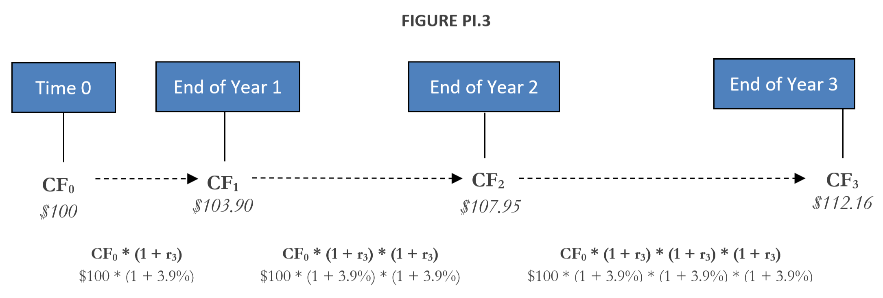

Time 0 Value | $100.00
Year 1 Growth Rate
End of Year 1 Value
Year 2 Growth Rate
End of Year 2 Value
Year 3 Growth Rate
End of Year 3 Value

Fill in the growth rates and the formulas to solve for the future values. Use cell references in your formulas in cells d17 and d19 and d21, as opposed to hard-coding in the numeric values $100 and 3.9%.

Fig PI.5
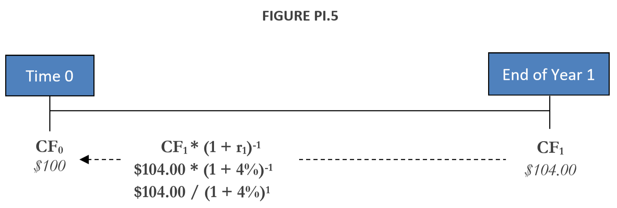

End of Year 1 Value | $104.00
Year 1 Discount Rate
Time 0 Value

Fill in the discount rate and the formula to solve for the present value. Use cell references in your formula in cell d16, referring to cells d14 and d15, as opposed to hard-coding in the numeric values $104 and 4%.

Fig PI.6
End of Year 2 Value | $109.20
Year 1 Discount Rate
Year 2 Discount Rate
Time 0 Value

Fill in the discount rates and the formulas to solve for the present value. Use cell references in your formula in cell d16, referring to cells d13, d14 and d15, as opposed to hard-coding in the numeric values $109.20 and 4.5%.

Fig PI.7
End of Year 3 Value | $112.16
Year 1 Discount Rate
Year 2 Discount Rate
Year 3 Discount Rate
Time 0 Value

Fill in the discount rates and the formulas to solve for the present value. Use cell references in your formula in cell d16, referring to cells d12, d13, d14 and d15, as opposed to hard-coding in the numeric values $112.16 and 3.9%.

Fig PI.10
Property NPV Assuming Constant Risk-free Discount Rate |  |  |  |  |  |  |  |  |  | Discount Rate | 4.00%
 |  |  |  |  |  |  |  |  |  |  |  | Year 1 | Year 2 | Year 3 | Year 4 | Year 5
 | Year 1 |  | Year 2 |  | Year 3 |  | Year 4 |  | Year 5 | Cash Flow |  | $300,000 | $335,000 | $350,000 | $400,000 | $2,100,000

NPV = | CF1 | + | CF2 | + | CF3 | + | CF4 | + | (CF5 + Terminal Value) | NPV
 | (1+r) |  | (1+r)2 |  | (1+r)3 |  | (1+r)4 |  | (1+r)5

= | $300,000 | + | $335,000 | + | $350,000 | + | $400,000 | + | $2,100,000
 | (1+4%) |  | (1+4%)2 |  | (1+4%)3 |  | (1+4%)4 |  | (1+4%)5

Use the NPV function to solve for the total present value of the property cash flow stream as it adds together all the individual PVs.
= | $0

Fig PI.11
Property NPV Assuming Various Annual Discount Rates |  |  |  | Discount Rates |  |  | Year 1 | Year 2 | Year 3 | Year 4 | Year 5
 |  |  |  | Year 1 | 4.00% | Cash Flow | 300,000 | 335,000 | 350,000 | 400,000 | 2,100,000
NPV = |  |  |  | Year 2 | 4.00% | PV
Year 1 | CF1 | = | $300,000 | Year 3 | 20.00% | NPV
 | (1+r1) |  | (1+4%) | Year 4 | 18.00%
+ | + |  | + | Year 5 | 15.00%
Year 2 | CF2 | = | $335,000
 | (1+r1) * (1+r2) |  | (1+4%) * (1+4%)
Using arithmetic, solve for the present values of the property's annual cash flows. Since the discount rate varies, you must discount using the combination of rates for specific future values. For example, the Year 2 value discount factor by which you divide to get the Year 2 PV is: ((1+Year1 Rate)*(1+Year2 Rate)).
+ | + |  | +
Year 3 | CF3 | = | $350,000
 | (1+r1) * (1+r2) * (1+r3) |  | (1+4%) * (1+4%) * (1+20%)
Use the SUM function to sum the PVs of the property's cash flows.
+ | + |  | +
Year 4 | CF4 | = | $400,000
 | (1+r1) * (1+r2) * (1+r3) * (1+r4) |  | (1+4%) * (1+4%) * (1+20%) * (1+18%)
+ | + |  | +
Year 5 | (CF5 + Terminal Value) | = | $2,100,000
 | (1+r1) * (1+r2) * (1+r3) * (1+r4) * (1+r5) |  | (1+4%) * (1+4%) * (1+20%) * (1+18%) * (1+15%)

 |  | = | $0

Fig PI.14
Assumptions:
Forward Year NOI6 |  | $9,000,000
Growth Rate (g) |  | 2.00%
Discount Rate (r) |  | 13.00%

The Anderson Terminal Value Calculation

Forward Year NOI6 | = | NOI5 * (1 + growth rate)
 | = | $9,000,000 * (1 + 2%)
 | =
Fill in the formula to calculate the forward NOI. Use cell references in your formula in cell d11, referencing cells d3 and d4, as opposed to hard-coding in the numeric values $9,000,000 and 2%.
Gordon Model: Value = Stabilized NOI / (discount rate – growth rate)

Terminal Value5 | = | NOI6 / (r – g)
 | = | $9,180,000 / (13% – 2%)
 | =

Fill in the formula to calculate the terminal value. Use cell references in your formula in cell d17, referencing cells d11, d4 and d5, as opposed to hard-coding in the numeric values $9,180,000, 13% and 2%.

Fig PI.15
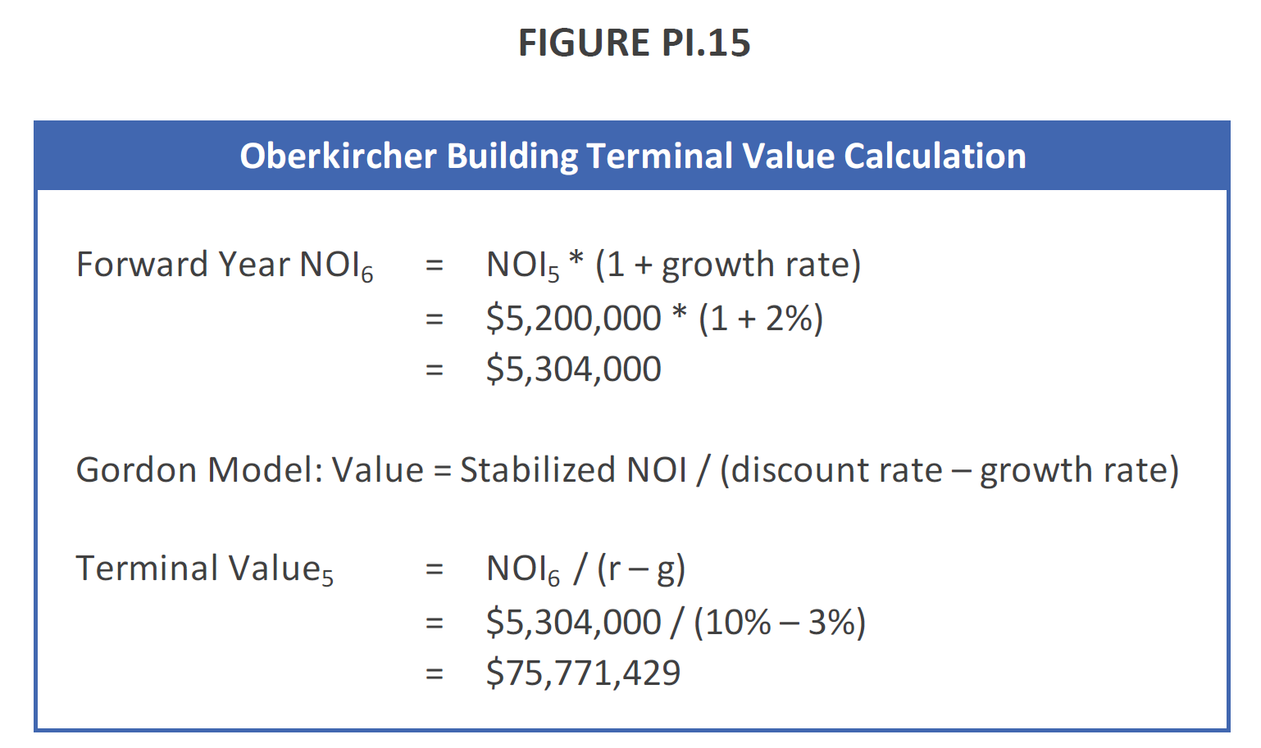
Assumptions:
Forward Year NOI6 |  | $5,200,000
Growth Rate (g) |  | 3.00%
Discount Rate (r) |  | 10.00%

Oberkircher Building Terminal Value Calculation

Forward Year NOI6 | = | NOI5 * (1 + growth rate)
 | = | $5,200,000 * (1 + 3%)
 | =
Fill in the formula to calculate the forward NOI. Use cell references in your formula in cell d11, referencing cells d3 and d4, as opposed to hard-coding in the numeric values $5,200,000 and 3%.
Gordon Model: Value = Stabilized NOI / (discount rate – growth rate)

Terminal Value5 | = | NOI6 / (r – g)
 | = | $5,356,000 / (10% – 3%)
 | =

Fill in the formula to calculate the terminal value. Use cell references in your formula in cell d17, referencing cells d11, d4 and d5, as opposed to hard-coding in the numeric values $5,356,000, 10% and 3%.

NOTE: There are typographical errors in what show in the 5E printed text (displayed below).

Fig PI.16
Discount Rates
Year 1 | 11.50%
Year 2 | 13.00%
Year 3 | 13.00%
Year 4 | 13.00%
Year 5 | 13.00%

Discounted Cash Flow Valuation of The Anderson Apartments

 |  | Year 1 | Year 2 | Year 3 | Year 4 | Year 5

CF from Operations |  | $3,000,000 | $5,000,000 | $6,500,000 | $8,750,000 | $9,000,000
CF from Sale |  |  |  |  |  | $0
Total Cash Flow |  | $3,000,000 | $5,000,000 | $6,500,000 | $8,750,000 | $9,000,000

Total Cash Flow |  | $3,000,000 | $5,000,000 | $6,500,000 | $8,750,000 | $9,000,000
Discount Factor |  | (1+11.5%) | ((1+11.5%) * (1+13%)) | ((1+11.5%) * (1+13%)2) | ((1+11.5%) * (1+13%)3) | ((1+11.5%) * (1+13%)4)

Value of Property | $0

 | Time 0 | Year 1 | Year 2 | Year 3 | Year 4 | Year 5
Cash Flow | -40,000,000 | 3,000,000 | 5,000,000 | 6,500,000 | 8,750,000 | 9,000,000
PV | -40,000,000
PV Total
NPV

Using arithmetic, solve for the present values of the property's annual cash flows. Since the discount rate varies, you must discount using the combination of rates for specific future values. For example, the Year 2 value discount factor by which you divide to get the Year 2 PV is: ((1+Year1 Rate)*(1+Year2 Rate)).

Use the SUM function to sum the PV Total of the property's cash flows, and then add that to the Time 0 negative cash flow to get the NPV.

Fig PI.17
Discount Rates
Year 1 | 10.00%
Year 2 | 10.00%
Year 3 | 10.00%
Year 4 | 10.00%
Year 5 | 10.00%

Discounted Cash Flow Valuation of the Oberkircher Building

 |  | Year 1 | Year 2 | Year 3 | Year 4 | Year 5

CF from Operations |  | $4,000,000 | $4,300,000 | $4,600,000 | $4,900,000 | $5,200,000
CF from Sale |  |  |  |  |  | $0
Total Cash Flow |  | $4,000,000 | $4,300,000 | $4,600,000 | $4,900,000 | $5,200,000
Discount Factor |  | (1+10%) | (1+10%)2 | (1+10%)3 | (1+10%)4 | (1+10%)5

Value of Property | $0

 | Time 0 | Year 1 | Year 2 | Year 3 | Year 4 | Year 5
Cash Flow | -40,000,000 | 4,000,000 | 4,300,000 | 4,600,000 | 4,900,000 | 5,200,000
PV | -40,000,000
PV Total
NPV

Using arithmetic, solve for the present values of the property's annual cash flows. Since the discount rate varies, you must discount using the combination of rates for specific future values. For example, the Year 2 value discount factor by which you divide to get the Year 2 PV is: ((1+Year1 Rate)*(1+Year2 Rate)).
Note that in this case the discount rate is constant, thus you could use the PV function as an alternative, more streamlined calculation method.

Use the SUM function to sum the PV Total of the property's cash flows, and then add that to the Time 0 negative cash flow to get the NPV.

NOTE: There are typographical errors in what show in the 5E printed text (displayed below).

Fig PI.18
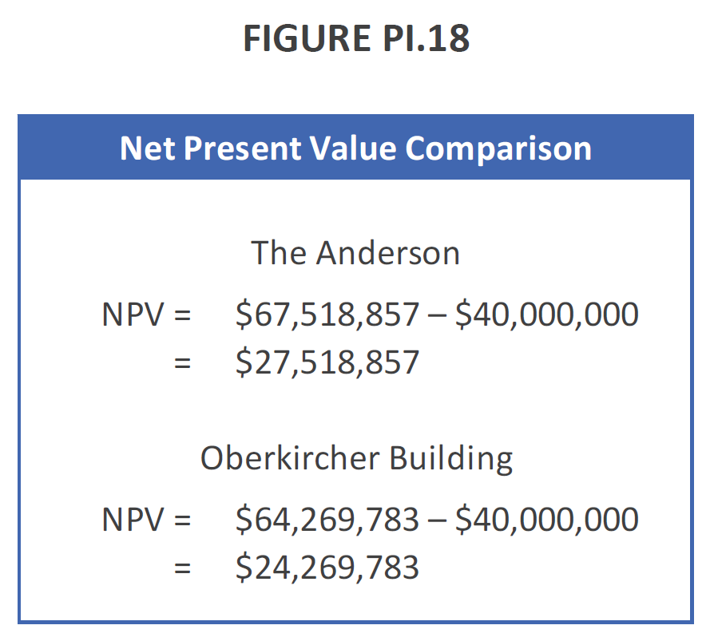
Net Present Value Comparison

The Anderson
NPV = | $67,518,857 – $40,000,000
= | $0

Oberkircher Building
NPV = | $64,731,039 – $40,000,000
= | $0

Difference | #DIV/0!

NOTE: There are typographical errors in what shows in the 5E printed text (displayed below).

