Chapter 2 Figure
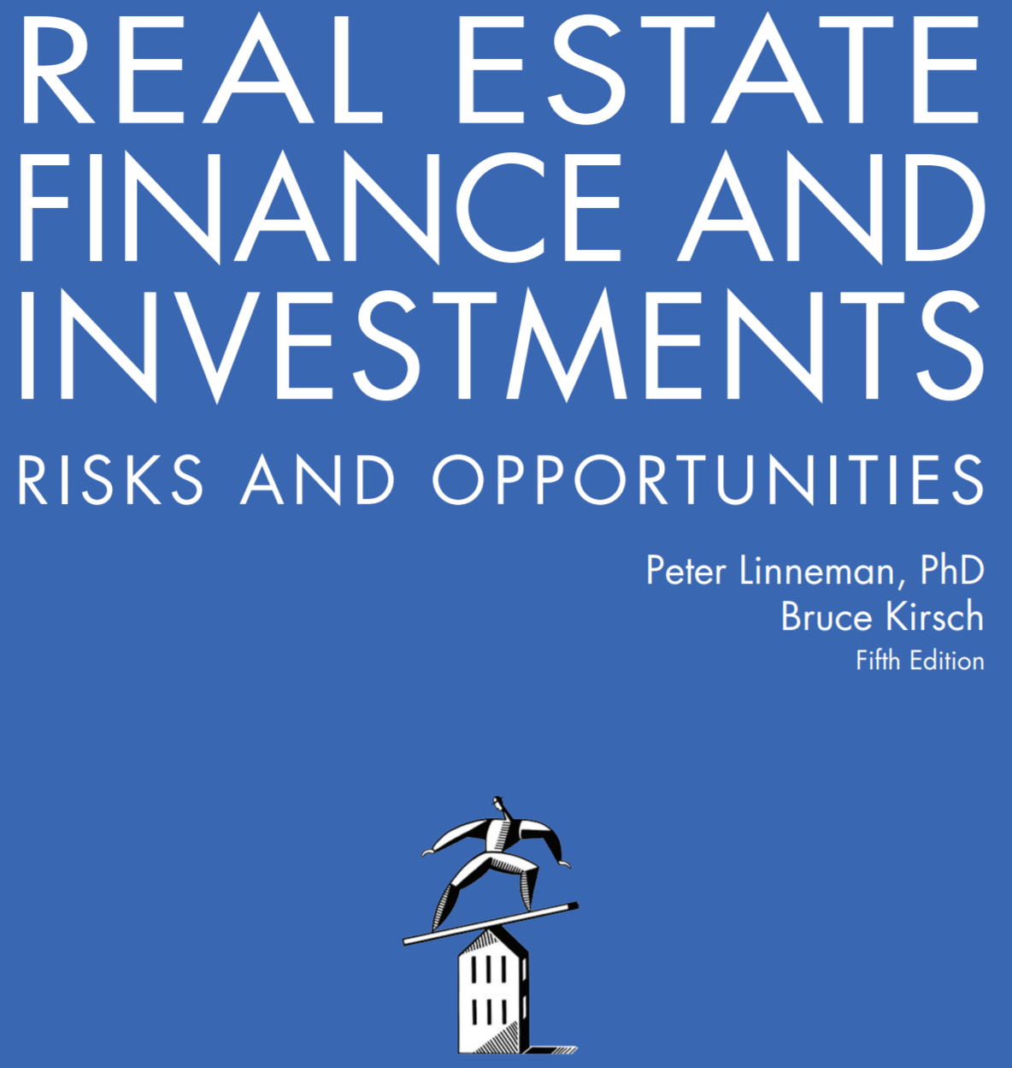

Online Companion to Chapter 2
What is Real Estate and Who Owns it?

Copyright © 2018 by Dr. Peter Linneman. All Rights Reserved.

