Chapter 15
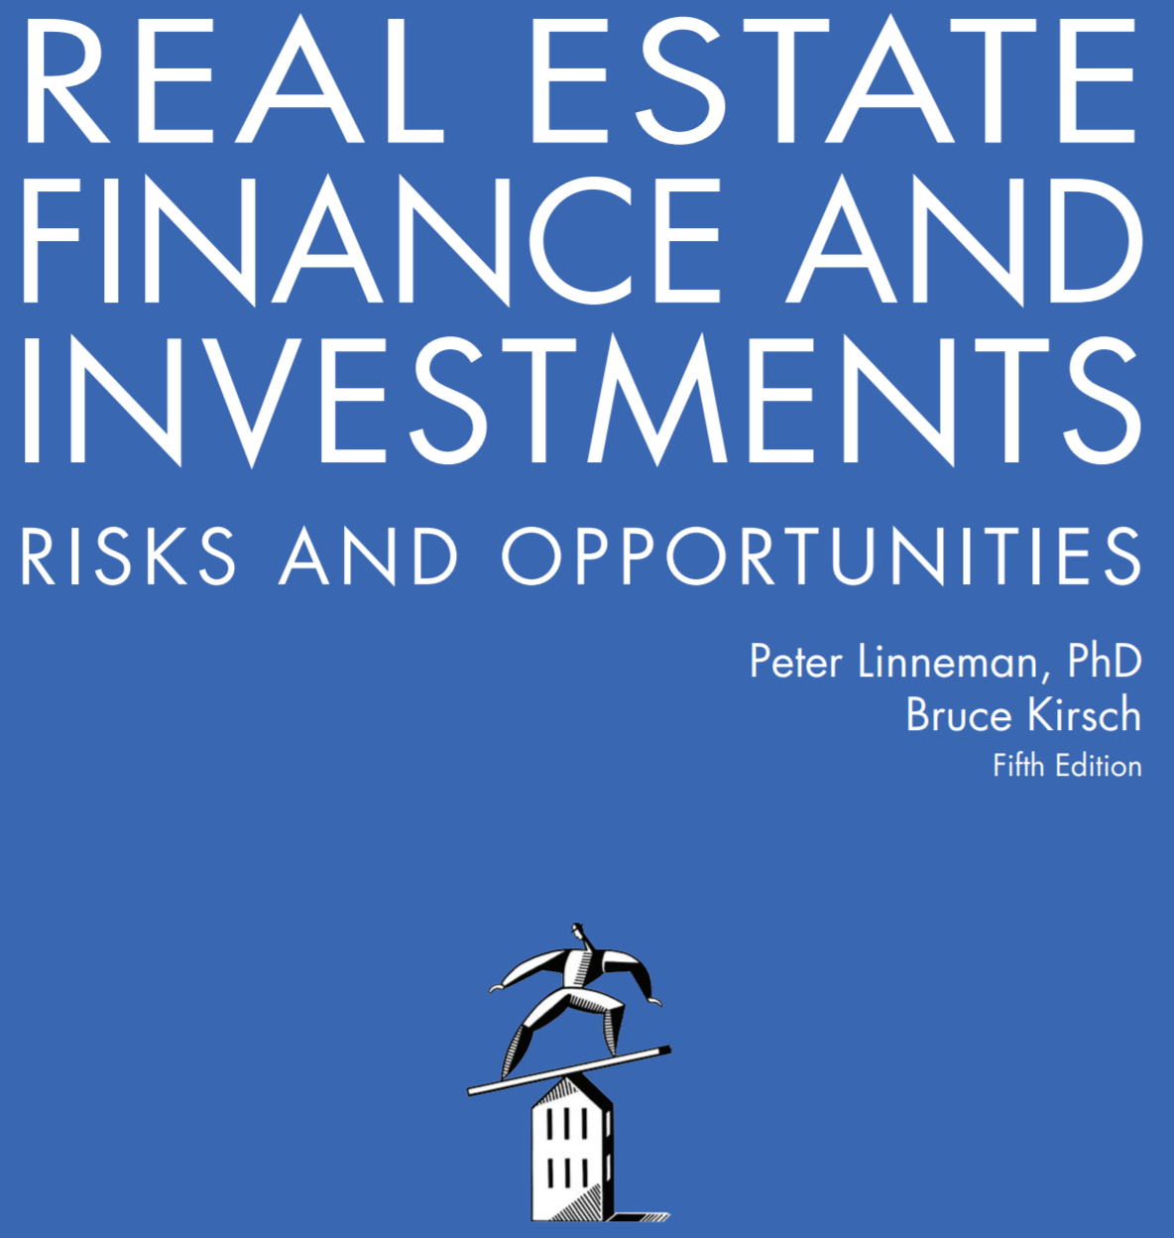

Online Companion to Chapter 15
The Use of Debt and Mortgages

Copyright © 2018 by Dr. Peter Linneman. All Rights Reserved.

Maximum Loan Amount Exercise
Stabilized NOI | $5,000,000
Annual Interest Rate | 5.00%
Amortization Term | 30 years

Sizing Tests for a Refi Loan

Loan-to-Value Test
Stabilized NOI | $5,000,000
Cap Rate for assumed valuation | 6.00%
Property Valuation
LTV at 70.00%

Use the PV function, being sure to modify the rate, nper and pmt arguments to reflect monthly payments.
Debt Service Coverage Ratio Test
Stabilized NOI | $5,000,000
Minimum DSCR | 1.20x
Maximum Loan Debt Service
Loan Size

Debt Yield Test
Stabilized NOI | $5,000,000
10.00% targeted yield
Use the MIN function to pick the smallest of the three Loan Size results.
Loan Size

Lesser of the three Lender tests

Solution:
$50,000,000 (from Debt Yield test)

