Chapter 11 Figures
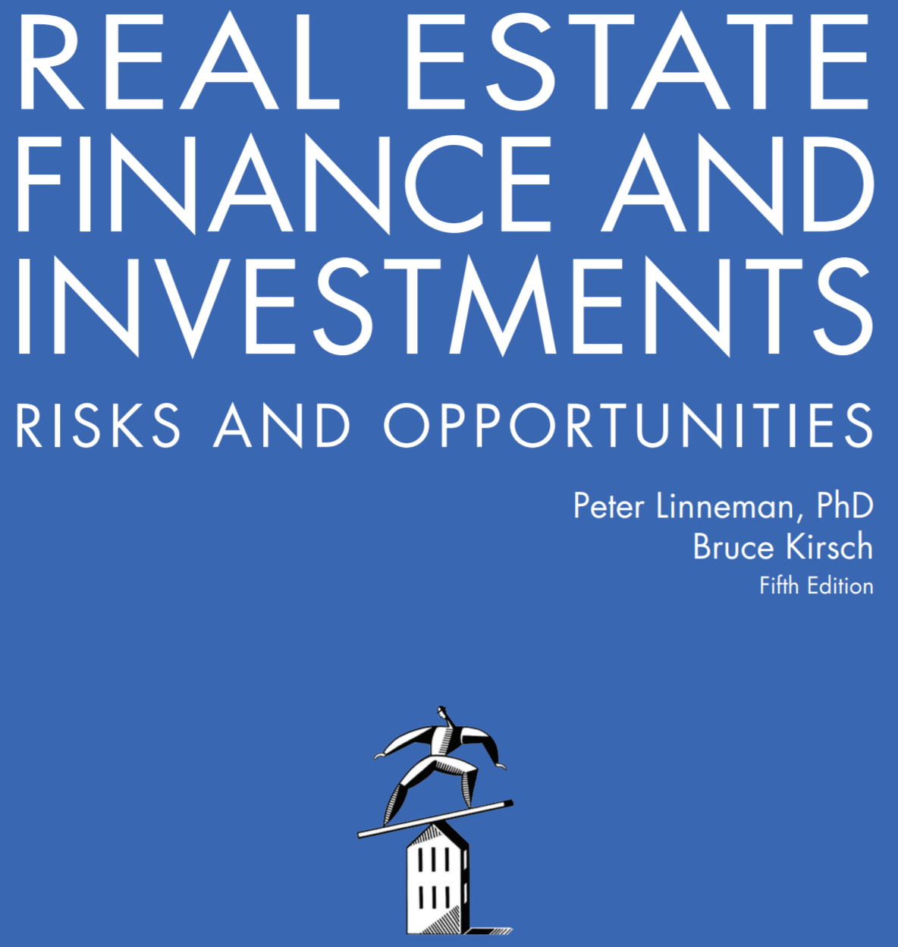

Online Companion to Chapter 11 Figures
Development Feasibility Analysis

Copyright © 2018 by Dr. Peter Linneman. All Rights Reserved.

Fig 11.12
Residual Land Valuation of Muk Office Plaza Development Site

Assumptions
Required Return: 10% | Required Return | 10.0%
Leasable space (Efficiency %): 70% | Leasable space (Efficiency %) | 70.0%
Vacancy: 5% | Vacancy | 5.0%
Market Rent: $38.00 per Leasable SF | Market Rent per Leasable SF | $38.00
Rent per Leased SF: $38.00 * (1 – .05) = $36.10 | Rent per Leased SF
Operating costs per GSF = $10.00 | Operating costs per GSF | $10.00
Soft Costs: $30.00 per GSF | Soft Costs per GSF | $30.00
Hard Costs: $90.00 per GSF | Hard Costs per GSF | $90.00

NOI Calculation | NOI Calculation
Rent per GSF = Rent per Leased SF * (1 – Loss Factor %) | Rent per GSF = Rent per Leased SF * (1 – Loss Factor %)
= $36.10 per Leased SF * (1 – .30) = $25.27

NOI per GSF = Rental Revenues per GSF – Operating Costs per GSF | NOI per GSF = Rental Revenues per GSF – Operating Costs per GSF
= $25.27 – $10.00 = $15.27

Maximum Land Cost Back Solve Calculation | Maximum Land Cost Back Solve Calculation
Required Return = NOI / (Soft Costs + Hard Costs + Maximum Land Cost) | Required Return = NOI / (Soft Costs + Hard Costs + Maximum Land Cost)
Maximum Land Cost = $x

After placing the Required Return formula in cell E23, run Goal Seek (Alt+T+G on PC, Data > What-if Analysis > Goal Seek on Mac) on cell E23 to solve for a 10% required return by changing the value in cell E25. If Excel does not solve for exactly 10.0%, manipulate the land cost input in E25 by hand to get 10.0% in E23.
10% = $15.27 / ($30.00 + $90.00 + $x) | Maximum Land Cost per GSF | $0.00
10% * ($120 + $x) = $15.27
$12.00 + ($x / 10) = $15.27
($x / 10) = $3.27
Maximum Land Cost per GSF = $x = $32.70

