2 Assumptions Input
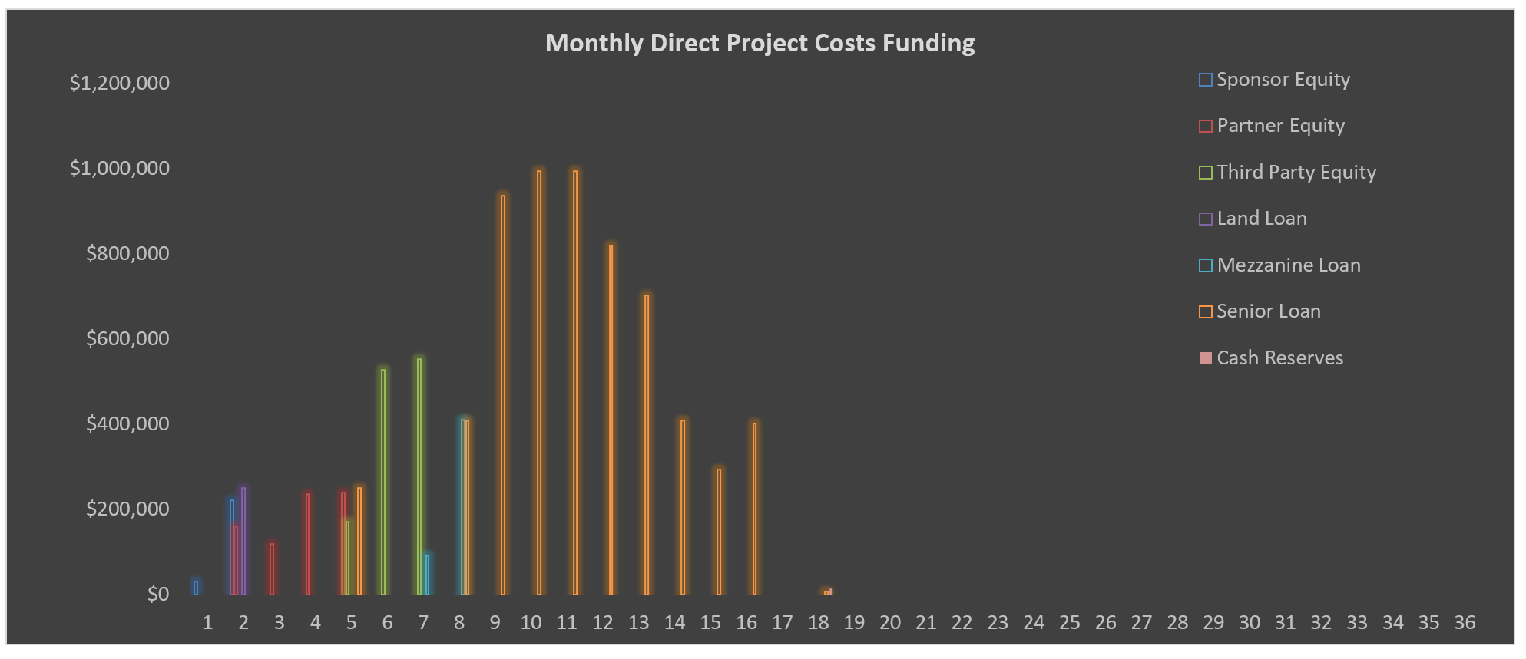
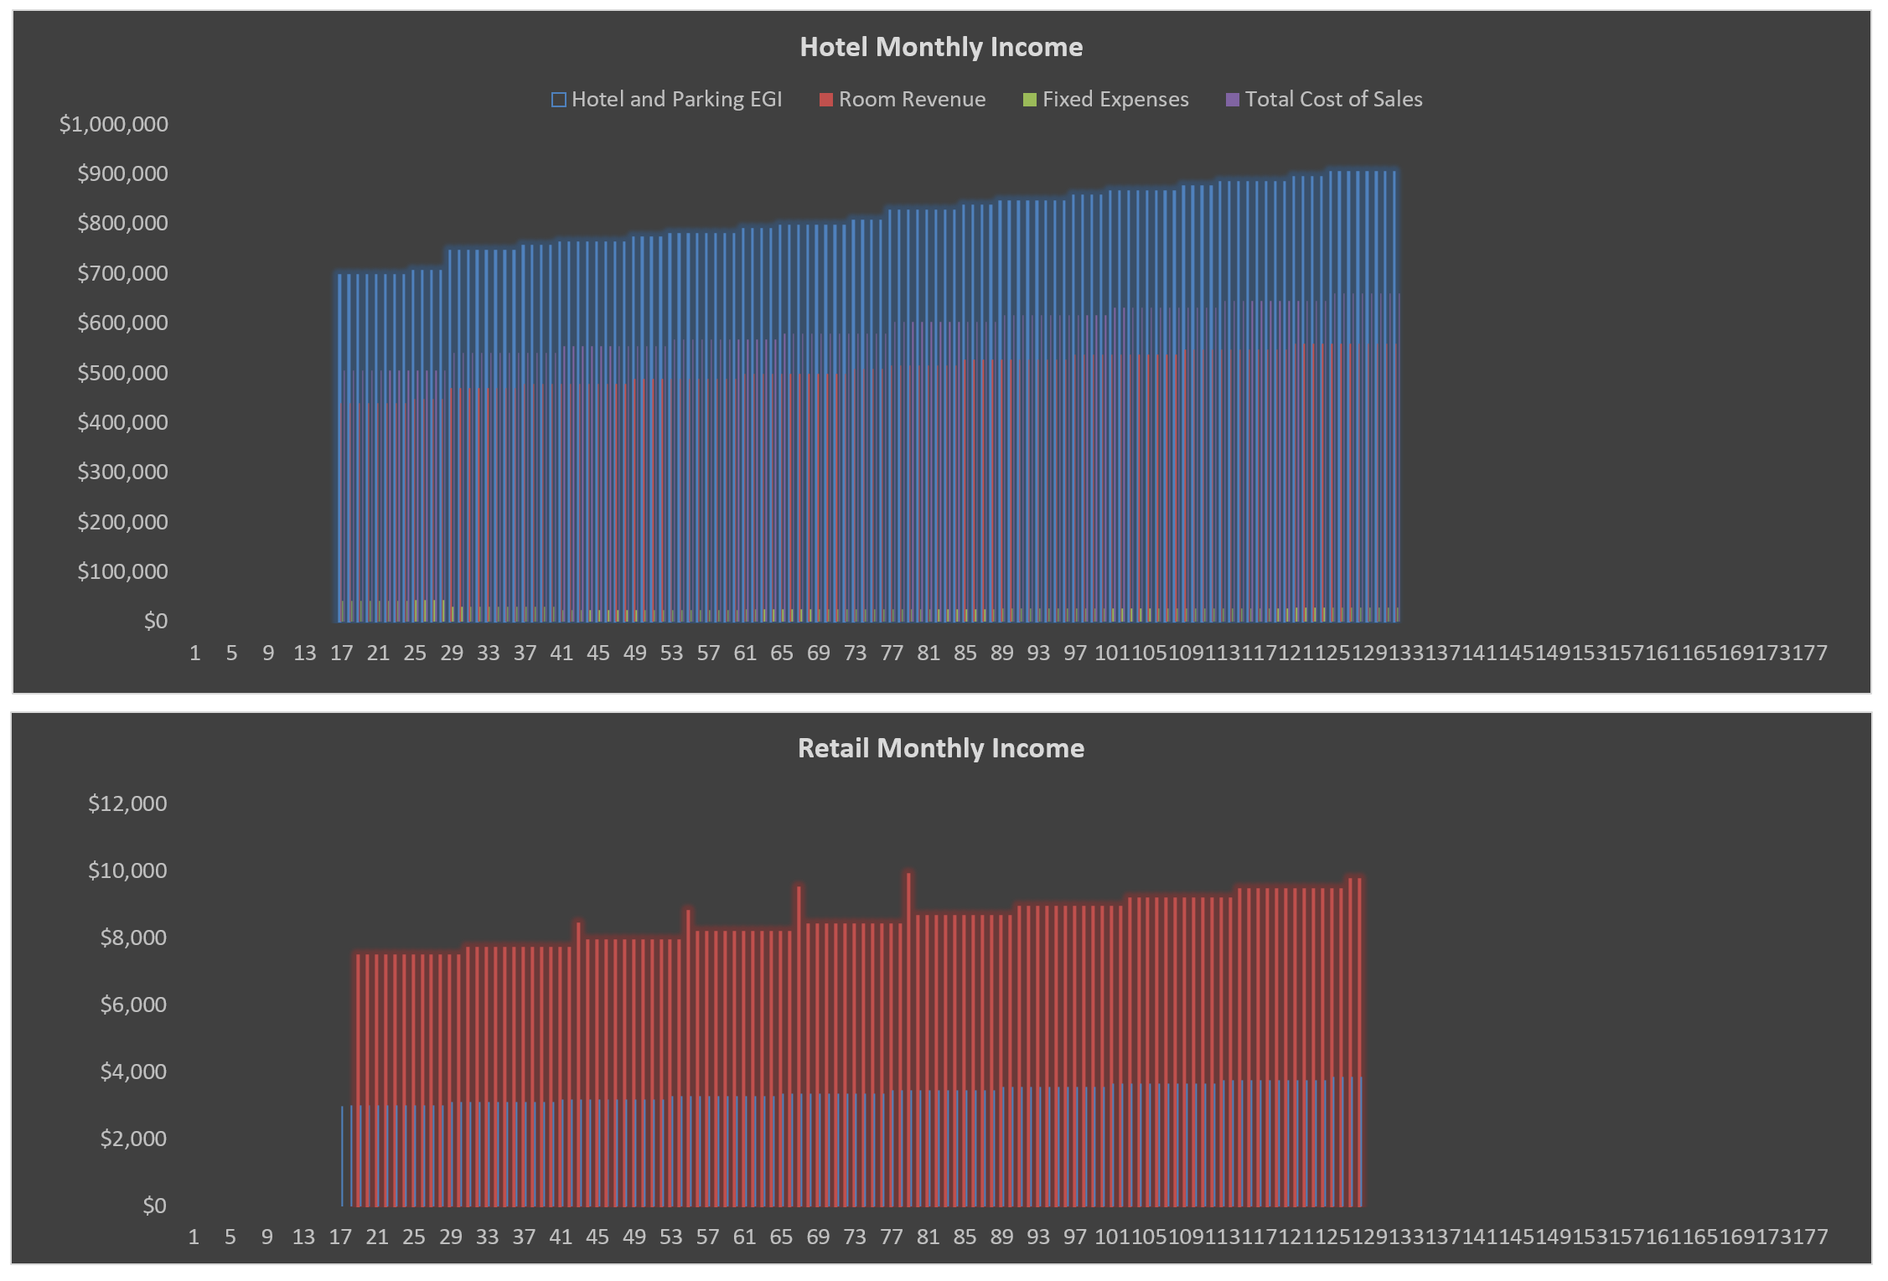
Model Use Instructions
 |  | Model Checks: Budget, Financing, Absorption |  |  |  |  |  |  |  |  |  |  |  |  | Model Checks
 |  | Assums Tab v. S&U Tab |  | OK | Soft Costs | OK |  |  |  |  |  | Senior Loan |  |  | TDC Budget on S&U tab |  | OK
 |  | Uses of Funds = Sources of Funds |  | OK | Hard Costs | OK |  |  |  |  |  | Check |  |  | Sources & Uses on Assums |  | OK
 |  | S&U monthlies are equal |  | OK | Senior Loan Fully Drawn | OK |  |  |  |  |  | $0 |  |  | Waterfall #1 CF = 0 |  | OK
 |  | Land, Parking & Acquisition Costs |  | OK | Senior Loan Repayment | Repayment OK |  |  |  |  |  |  |  |  | Waterfall #2 CF = 0 |  | OK
 |  | Soft Costs allocation = 100% |  | OK | Land Loan Repayment | Repayment OK

 |  |  |  |  |  |  |  | Hard Costs Escalator to GMP Signing Date | 0.00% |  | Soft Costs Escalator | 0.00% |  |  |  |  |  |  |  |  |  |  |  |  |  |  |  |  |  |  | DO NOT MOVE OR ERASE | DO NOT MOVE OR ERASE |  |  |  | DO NOT MOVE OR ERASE |  |  | DO NOT MOVE OR ERASE
 |  |  |  |  |  |  |  |  |  |  |  |  |  |  |  |  |  |  |  |  |  |  |  |  |  |  |  |  |  |  | 1 | Hotel Type |  |  |  | Click to Select |  |  | Maximum Loan Amount
Enter Name |  |  |  |  |  |  |  |  |  |  |  |  |  | Enter Name |  |  |  |  |  |  |  |  |  |  |  |  |  |  |  |  | 2 | Limited Service |  |  |  | Yes |  |  | Remaining Interim Loan Balance
12/22/2017 |  |  |  |  |  |  |  |  |  |  |  |  |  | 12/22/2017 |  |  |  |  |  |  |  |  |  |  |  |  |  |  |  |  | 3 | Full Service |  |  |  | No
 |  |  |  |  |  |  |  | Value | Per Key | Per GSF | % Total | Total |  |  |  |  |  |  |  |  |  |  |  |  |  |  |  |  |  |  | 4 | Extended Stay |  |  |  |  |  |  | DO NOT MOVE OR ERASE
LAND AND BUILDING CHARACTERISTICS |  |  |  |  | DEVELOPMENT USES OF FUNDS |  |  |  |  |  |  |  |  | INCOME, OCCUPANCY AND EXPENSE VARIABLES |  |  |  |  |  |  | PERMANENT LOAN |  |  |  |  |  |  | Interim Loan Test |  |  | 5 | Resort |  |  |  |  |  |  | Trailing Twelve Months NOI
Property | Enter Name |  |  |  | Land Purchase Price |  | 10.00% Deposit |  | $3,333 | $5.00 | 5.00% | $500,000 |  |  |  |  |  |  |  |  | USER NOTE: Remember, Sale Date(s) must be later than refi date |  |  |  |  |  |  | NOI Test |  |  | 6 | Long Term Extended Stay |  |  |  |  |  |  | Forward Twelve Months NOI
 |  |  |  |  | Parking Space Acquisition Costs |  |  | $4,500/Space |  |  | 2.93% | $292,500 |  | Hotel Income |  |  |  |  |  |  | Refinancing to occur? |  | Yes |  | NOI Valuation Method Used: | Forward Twelve Months NOI |  | Annual NOI at Point of Refinancing |  | $1,027,190 | 7
Hotel Type | Full Service |  |  |  |  |  |  |  |  |  |  |  |  | Room |  |  |  |  |  |  | Year of Refinancing |  | Year 4 | Month 37 | Annual NOI at Point of Refinancing |  | $1,082,143 | Capitalization Rate at Point of Refinancing |  | 9.00% | 8
 |  |  |  |  | Hard Costs |  |  |  |  |  |  |  |  | Average Daily Rate (ADR) |  | $150.00 | Parking | $25.00per car per day |  | 75% guests park | Date of Refinancing |  | 2023-06-01 |  | Maximum Loan Amount * |  | $8,416,667 | Gross Valuation at Point of Refinancing |  | $11,413,218 | 9 | DO NOT MOVE OR ERASE
Hotel Lot Information |  | Hotel Building Information |  |  | Vertical Construction |  |  |  | $35,000/Key | $52.50 |  | $5,250,000 |  | ADR Nominal Growth |  | 2.00% | Telecommunications POR |  |  | $15.00 | Amortization Period |  | 30 Years |  | Amount to Refinance: |  | Remaining Interim Loan Balance | Maximum LTV |  | 75% | 10 | Year 3 | Year 4 | Year 5 | Year 6 | Year 7 | Year 8 | Year 9 | Year 10 | Year 11 | Year 12
Lot Square Footage | 25,000 SF | Gross Square Footage |  | 100,000 SF | Retail Tenant Improvements |  |  |  |  | $0.19 |  | $18,750 |  | Expense Inflation Rate |  | 2.18% | Rentals & Other Revenue POR |  |  | $20.00 | Interest Rate |  | 6.00% |  | Loan Principal Borrowed |  | $7,158,025 | Maximum Loan Proceeds | $8,559,913 |  | 11 | 2021-10-01 | 2022-10-01 | 2023-10-01 | 2024-10-01 | 2025-10-01 | 2026-10-01 | 2027-10-01 | 2028-10-01 | 2029-10-01 | 2030-10-01
Lot FAR | 4.0 FAR | Total Rooms/Keys |  | 150 Keys | Structured Parking Cost |  |  | $5,000/Space |  | $2.50 |  | $250,000 |  | Other Income Inflation Rate |  | 2.61% |  |  |  |  | Interest Only Period (# of Years) |  | 1 Year(s) |  | Remaining Interim Loan Principal |  | $7,017,672 |  |  |  | 12 | Year 3 | Year 4 | Year 5 | Year 6 | Year 7 | Year 8 | Year 9 | Year 10 | Year 11 | Year 12
 |  | Rentable Hotel Room SF |  | 495 SF | Surface Parking Cost |  |  | $2,500/Space |  |  |  | $37,500 |  |  |  |  |  |  |  |  | Monthly Payment |  | $50,462 |  | Excess Proceeds to Equity |  | $140,353 | Debt Coverage Ratio Test |  |  | 13
Hotel Space Use |  |  |  |  | Other Construction (Non-GC) |  |  |  |  |  |  | $25,000 |  | Food And Beverage Income Variables |  |  | % of Room-Nights |  | Ave. Income POR |  | New LTV |  | 60% |  | Loan/Broker Fees/Closing Costs |  | 2.00% | Annual NOI at Point of Refinancing |  | $1,027,190 | 14 | DO NOT MOVE OR ERASE
Retail | 2,500 SF |  |  |  | Hard Costs Contingency |  | 5.00% |  |  |  |  | $279,063 |  | Breakfast |  |  | 60.00% |  | $10.00 |  |  |  |  |  | Loan/Broker Fees/Closing Cost Amount |  | $140,353 | Required Debt Service Coverage Ratio |  | 1.20 | 15 | Year # | 3 | 4 | 5 | 6 | 7 | 8 | 9 | 10 | 11 | 12
Gross Room Square Footage | 82,500 SF |  |  |  | Hard Costs with Contingency |  |  |  | $39,069 | $58.60 | 58.60% | $5,860,313 |  | Grab-n-Go |  |  | 15.00% |  | $7.50 |  |  |  |  |  |  |  |  |  |  |  | 16 | Start Date | 2021-10-01 | 2022-10-02 | 2023-10-02 | 2024-10-02 | 2025-10-02 | 2026-10-02 | 2027-10-02 | 2028-10-02 | 2029-10-02 | 2030-10-02
Efficiency Factor | 90% |  |  |  |  |  |  |  |  |  |  |  |  | Coffee Bar Sales |  |  | 50.00% |  | $10.00 |  | DISPOSITION AND RETURNS |  |  |  |  |  |  | Maximum Allowable Debt Service |  | $855,991 | 17 | End Date | 2022-10-01 | 2023-10-01 | 2024-10-01 | 2025-10-01 | 2026-10-01 | 2027-10-01 | 2028-10-01 | 2029-10-01 | 2030-10-01 | 2031-10-02
Residual Room GSF | 74,250 SF |  |  |  | Soft Costs | Soft Costs Curve Inputs | 32% |  | $12,519 | $18.78 | 18.78% | $1,877,850 |  | Cocktail Sales |  |  | 25.00% |  | $25.00 |  |  |  |  |  |  |  |  | Maximum Loan Proceeds | $11,071,311 |  | 18 | Refi Status | 0 | Refi | 0 | 0 | 0 | 0 | 0 | 0 | 0 | 0
 |  | Parking Struture |  |  | Soft Costs Contingency |  | 5.00% |  |  |  | 0.94% | $93,893 |  | Dinner |  |  | 35.00% |  | $50.00 |  | Hotel |  |  |  | Retail |  |  |  |  |  | 19 | Year # | 3 | 4 | 5 | 6 | 7 | 8 | 9 | 10 | 11 | 12
Additional Space Use |  | Structured Parking |  | 50 Spaces | Developer Fee |  | 4.20% |  |  |  | 2.34% | $234,433 |  |  |  |  |  |  |  |  | Hotel Sale Date | 2030-05-01 | Month 120 |  | Retail Sale Date | 2030-01-01 | Month 116 | Permanent Loan Test |  |  | 20
Room Support | 2,000 SF | GSF per Space |  | 400 SF | Marketing and Project Contingency |  | 2.00% |  |  |  | 0.38% | $37,557 |  | Occupancy |  |  |  |  |  |  | Hotel Sale Valuation Method |  | Trailing Twelve Months NOI |  | Retail Sale Valuation Method | Trailing Twelve Months NOI |  | NOI Test |  |  | 21 | DO NOT MOVE OR ERASE
Office | 2,500 SF | Structured Parking GSF |  | 20,000 SF | Operating & Organizational Costs | Cost Breakout |  |  |  |  | 1.00% | $100,000 |  |  | 2021-10-02 | 2022-10-02 | 2023-10-02 | 2024-10-02 | 2025-10-02 |  | Capitalization Rate |  | 12.00% |  | Retail Terminal Cap Rate |  | 10.00% | Annual NOI at Point of Refinancing |  | $1,082,143 | 22 | 1 | 2 | 3 | 4 | 5 | 6 | 7 | 8 | 9 | 10 | 11
Food & Beverage | 3,000 SF | Surface Parking |  | 15 Spaces | FF&E |  | Final 1 Months of Conx. |  | $1,500/Key | $2.25 | 2.25% | $225,000 |  |  | Year 1 | Year 2 | Year 3 | Year 4 | Year 5 |  | Hotel Selling Costs |  | 5.00% |  | Retail Selling Costs |  | 5.00% | Capitalization Rate at Point of Refinancing |  | 9.00% | 23 | 63% | 66% | 66% | 66% | 66% | 67% | 67% | 67% | 67% | 67% | 67%
Function | 500 SF | Surface Parking GSF |  | 6,000 SF | Capitalized Financing Costs |  |  |  | $1,145 | $1.72 | 1.72% | $171,716 |  |  | 63% | 66% | 66% | 66% | 66% |  | Annual NOI in Month 132: |  | $1,212,166 |  | Annual NOI in Month 128: |  | $57,696 | Gross Valuation at Point of Refinancing |  | $12,023,809 | 24
Spa | 4,000 SF |  |  |  | Cash Financing Costs |  |  |  | $4,045 | $6.07 | 6.07% | $606,739 |  |  | 2026-10-02 | 2027-10-02 | 2028-10-02 | 2029-10-02 | 2030-10-02 |  | Hotel Price, Net |  | $9,596,315 |  | Retail Price, Net |  | $548,109 | Maximum LTV |  | 70% | 25
Admin/Mechanical | 500 SF | Area Without Parking |  | 94,000 SF | Total Development Cost (Uses of Funds) |  |  |  | $66,667 | $100.00 | 100.00% | $10,000,000 |  |  | Year 6 | Year 7 | Year 8 | Year 9 | Year 10 |  | Price Per Key |  | $63,975 |  |  |  |  | Maximum Loan Proceeds | $8,416,667 |  | 26
Public Area | 2,500 SF | Above-Grade GSF excl. Pkg. |  | 97,500 SF | Operating Deficits |  |  |  |  |  |  | $0 |  |  | 67% | 67% | 67% | 67% | 67% |  |  |  |  |  |  |  |  |  |  |  | 27
Total Non-Room GSF | 15,000 SF | Total Building Gross SF |  | 120,000 SF | Total Development Cost Including Operating + Financing Deficits |  |  |  |  |  |  | $10,000,000 |  |  |  |  |  |  |  |  | Net Sale Proceeds |  |  |  |  |  | $10,144,424 | Debt Coverage Ratio Test |  |  | 28
 |  |  |  |  |  |  |  |  |  |  |  |  |  | Hotel Expenses |  |  |  |  |  |  | Less Outstanding Mortgage |  |  |  |  |  | ($6,562,546) | Annual NOI at Point of Refinancing |  | $1,082,143 | 29
PROJECT TIMING VARIABLES |  |  |  |  | DEVELOPMENT SOURCES OF FUNDS |  |  |  |  |  |  |  |  | Fixed Expenses |  |  |  | Cost of Sales & Labor |  |  | Net Sales Proceeds After Debt Repayment |  |  |  | Per Key: | $23,879 | $3,581,878 | Required Debt Service Coverage Ratio |  | 1.20 | 30
 |  |  |  |  |  |  |  |  |  | Share of Any |  | Total Equity | Non-Development | Insurance PAR |  |  | $75.00 | Rooms POR |  | $115.00 | Project Net Cash Flow |  |  |  |  |  | $6,636,616 |  |  |  | 31
 |  | Duration | Month | Date | Equity | Per Key | % of Developer Equity | % of Total Equity | Initial Amount | Deficits | % of Cost | w/Deficits | Deficits | Property Taxes % Total Rev |  |  | 1.00% | Food & Beverage % Revenue |  | 90.00% | Net Present Value at 10% |  |  |  |  |  | $2,076,380 | Maximum Allowable Debt Service |  | $901,786 | 32
Analysis Start and Land Timing |  |  |  |  | Developer Sponsor Land Equity | $1,667 | 20.00% | 10.00% | $250,000 | $13,185 | 2.63% | $263,185 | $2,052 | Capital Reserve % Total Rev |  | Year 1 | 5.00% | Telecommunications % Revenue |  | 65.00% |  |  |  |  |  |  |  | Maximum Loan Proceeds | $12,534,191 |  | 33
Analysis Start Date |  |  | Month 1 | 2020-06-01 | Developer/Sponsor Equity | $1,667 | 20.00% | 10.00% | $250,000 | $13,185 | 2.63% | $263,185 | $2,052 |  |  | Year 2 | 3.00% | Parking % Revenue |  | 70.00% |  |  |  | Sponsor/ |  | Third Party |  |  |  |  | 34
Date of Land Contract Execution |  |  |  | 2020-06-01 | Partner Equity | $5,000 | 60.00% | 30.00% | $750,000 | $39,556 | 7.90% | $789,556 | $6,157 |  |  | Year 3+ | 2.00% | Rentals & Other % Revenue |  | 75.00% | Return Metrics |  | Land Equity | Developer | Equity Partner | Investor | Total Project |  |  |  | 35
Land Closing Date |  |  | Month 2 | 2020-07-01 | Third Party Investor Equity |  |  | 50.00% | $1,250,000 | $65,927 | 13.16% | $1,315,927 | $10,262 |  |  |  |  |  |  |  | Equity Investment |  | $263,185 | $263,185 | $789,556 | $1,315,927 | $2,652,379 |  |  |  | 36
 |  |  |  |  | Equity Total |  |  | 100.00% | $2,500,000 | $131,854 | 26.32% | $2,631,854 | $20,525 | Variable Expenses - SG&A |  |  |  | Royalty Fees % Rms Rev |  | 5.00% | Net Return on Equity |  |  | $2,049,254 | $1,823,676 | $2,763,686 | $6,636,616
Construction Timing |  |  |  |  |  |  |  |  |  |  |  |  | $2,652,379 | Administrative & General PAR (Annual) |  |  | $4,713.50 | Property Maintenance PAR |  | $100.00 | Multiple on Equity |  |  | 4.86x | 3.31x | 3.08x | 3.50x
Months of Pre-Construction |  |  |  | 4 Months | Debt |  |  |  |  |  |  |  |  | Marketing PAR |  |  | $15.00 | Energy PAR |  | $15.00 | IRR |  |  | 24.11% | 20.13% | 20.03% | 21.10%
Number of Months of Construction |  |  |  | 12 Months | Cash Reserves used for Late Development |  |  | % of Cash Flow Reserved: | 75.00% | Reserve Used: | 0.13% | $13,191 |  | Management Fee % Total Rev |  |  | 1.50%
Construction Start Date |  |  | Month 5 | 2020-10-01 | Reserve Available: | $250,000 |  | Total Reserve Cap | $250,000 |  |  |  |  |  |  |  |  | Vacant Space Assumptions
Construction End Date | Year 2 |  | Month 16 | 2021-10-01 |  |  |  |  |  |  |  |  |  | Retail |  |  |  | Retail Space O&M and RE Tax |  | $1.25/SF/Year
Total Development Period Duration |  | 16 Months |  |  | Land Loan | 7/1/2020 | 3.0% Interest |  |  |  | Total Loan Proceeds | $250,000 |  | Vacancy |  |  | 10.00% | Parking O&M |  | $100.00/Spot/Year
End of Retail TI Schedule |  |  |  | 2021-11-01 | Mortgage Recording Tax | 2020-07-01 | 0.50% |  |  | Loan-to-Cost Ratio | 2.50% |  |  | Credit Loss |  |  | 2.00% | Parking Vacancy |  | 10.00%
 |  |  |  |  | Loan Fees | 2020-08-01 | 0.25% |  |  | % of Land Price | 50.00% |  |  | CapEx Reserve |  | $1.25/SF/Year
Definitions
ADR: Average Daily Rate |  |  |  |  | Mezzanine Loan | 12/1/2020 | 9.0% Interest |  |  |  | Total Loan Proceeds | $500,000 |  | INTERIM LOAN TO REPLACE SENIOR AND ANY MEZZANINE LOAN |  |  |  |  |  |  | NOTES
POR: Per Occupied Room |  |  |  |  | Loan Fees | 12/1/2020 | 1.00% |  |  | Loan-to-Cost Ratio | 5.00% |  |  | Interim Funding:
PAR: Per Available Room |  |  |  |  | Broker Fee | 12/1/2020 | 0.50% |  |  |  |  |  |  | Funding Date | Month 31 | 2022-12-01 | NOI Valuation Method: |  | Forward Twelve Months NOI |  | * Includes funding of any equity operating, financing and funding shortfalls. Does not include any Permanent Loan Loan/Broker Fee/Closing Costs as these are assumed to be paid by Retained Earnings.
RevPAR: Revenue Per Available Room |  |  |  |  |  |  |  |  |  |  |  |  |  | Loan Term |  | 25 Years | Annual NOI at Point of Refinancing |  |  | $1,027,190
 |  |  |  |  | Senior Construction Loan |  |  |  |  |  |  |  |  | Amortization Period |  | 25 Years | Maximum Loan Amount |  |  | $8,559,913 | ** Ignores the time value of money.
 |  |  |  |  | Closing Date | 10/1/2020 | 5.3% Interest |  |  |  | Total Loan Proceeds | $6,380,071 |  | Interest Rate |  | 6.00% | Amount to Refinance: |  | Remaining Interim Loan Balance
 |  |  |  |  | Mortgage Recording Tax |  | 1.00% |  |  | Loan-to-Cost Ratio | 63.80% |  |  | I/O Period (# of Years) |  | 1 Year(s) | Loan Principal Borrowed |  |  | $7,017,672 | * The Lesser of the Two Loan Proceeds Amounts
 |  |  |  |  | Loan Fees - Front End |  | 0.50% |  |  |  |  |  |  | Monthly Payment |  | $45,215 | Remaining Bal. on Loan(s) |  |  | $6,880,071
 |  |  |  |  | Loan Fees at Draw |  | 0.50% |  |  |  |  |  |  | LTV |  | 61% | Excess Proceeds to Equity |  |  | $137,601
 |  |  |  |  | Switch to Cash Interest Payments | Month 16 |  | Clawback due to Costs Capitalized for Late Dev. | $0 |  |  |  |  | Term |  |  | Loan Fees - Front End |  |  | 2.00%
 |  |  |  |  |  | 2021-09-01 |  |  |  |  | Debt Total (excludes any Land Loan) | $6,880,071 |  |  |  |  | Loan Fee Amount |  |  | $137,601
 |  |  |  |  |  |  |  |  |  |  | Property Cash Flow | $474,885 |  |  |  |  | Mortgage Recording Tax |  |  | 1.00%
 |  |  |  |  |  |  |  |  |  |  | Total Sources of Funds (excludes any Land Loan) | $10,000,000

