2 Assumptions Input
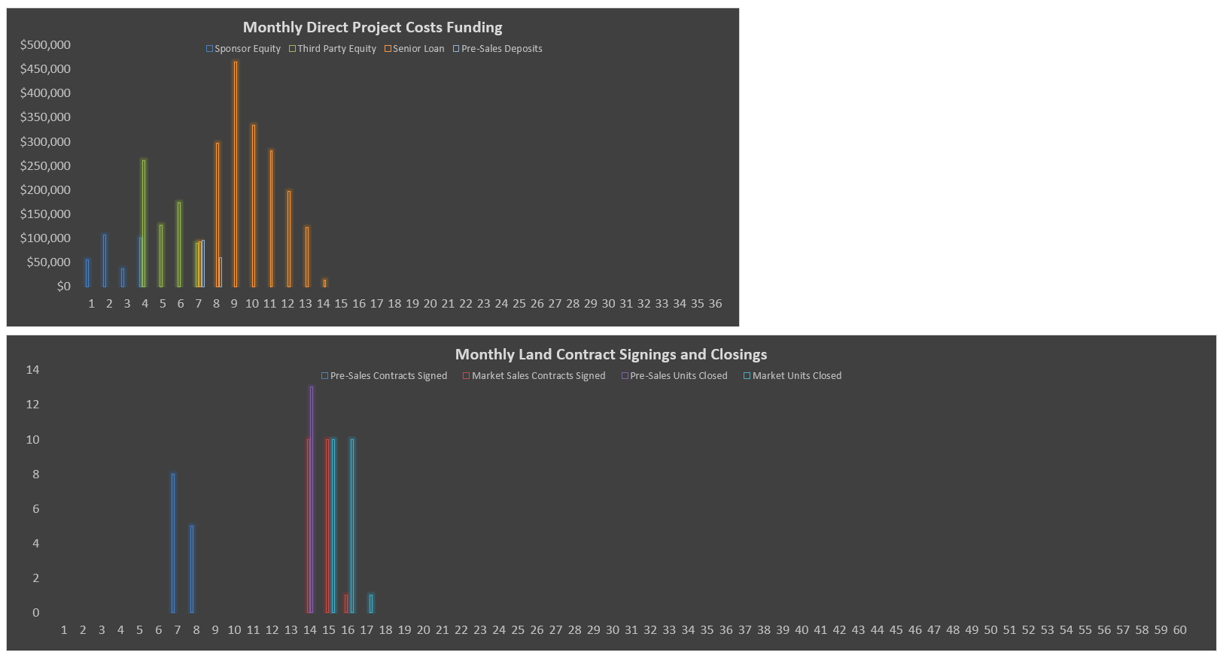
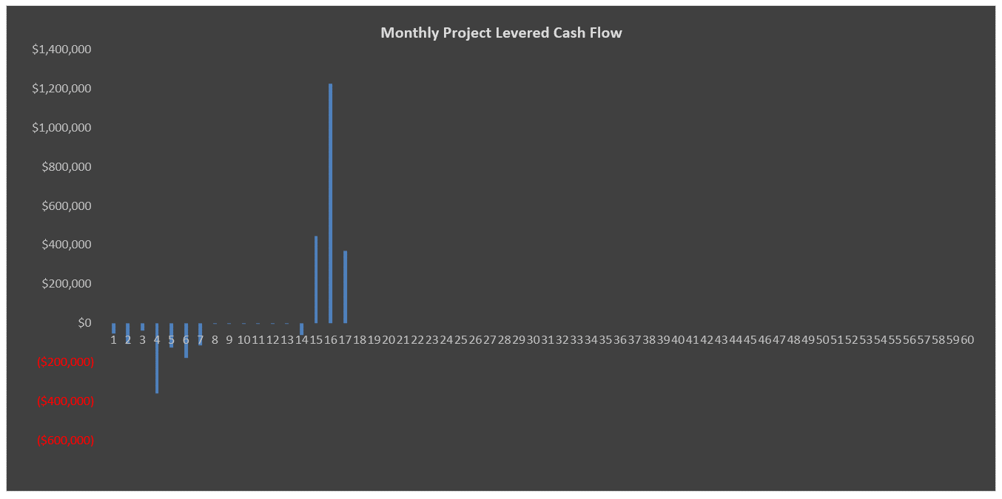
Model Use Instructions (hover mouse)
 |  | Model Checks: Budget, Financing, Absorption |  |  |  |  |  |  |  |  |  |  |  | Model Checks: Sales and Closings, Profit Sharing
 |  | Budget Projection = Static |  | OK |  |  |  |  |  |  |  | Senior Loan |  | Lot Sales |  | All Sold
 |  | Soft Cost allocation = 100% |  | OK |  |  |  |  |  |  |  | Check |  | Lot Closings |  | All Closed
 |  | S&U Table balances |  | OK |  |  |  |  |  |  |  | $0 |  | Deposit Revenue Check |  | OK
 |  | Senior Loan Repayment |  | OK |  |  |  |  |  |  |  |  |  | Profit Sharing - IRR Waterfall #1 |  | OK
 |  | Sources & Uses Tab Check |  | OK

Fair Meadows |  |  |  |  |  |  |  |  |  |  |  |  | Fair Meadows
1/4/2017 |  |  |  |  |  |  |  |  |  |  |  |  | 1/4/2017

SITE INFORMATION |  |  |  |  |  | DEVELOPMENT USES OF FUNDS |  |  |  |  |  |  | SALES CASH FLOWS |  |  |  |  | JOINT VENTURE EQUITY PARTNERSHIP WATERFALL
Project Name | Fair Meadows |  |  |  |  |  |  |  | $/Acre | % Total | $/Lot | Total
 |  |  |  |  |  | Land and Acquisition Costs | 10.00% Deposit |  | $12,097 | 12.36% | $11,029 | $375,000 | G&A/Sales Office/Marketing |  | $5,000/mo | Start 1 Month(s) prior to Pre-Sales Start |  |  | Preferred Return | IRR Hurdle: | 8.00%
Location
Address |  |  |  |  | Enter Address | Total Hard Costs |  |  | $93,000 | 64.35% | $57,441 | $1,953,000 | Developed Lots | Lot Count | Avg. Price/Lot |  |  |  |  | Return of Capital and Pref. Distribution |  | Residual Cash Flow Split | Residual Split Sponsor Promote
County |  |  |  |  | Enter County | Development Hard Costs |  |  | $60,000 |  | $54,706 | $1,860,000 | Pre-Sales | 13 Lots | $118,750
Land Owner |  |  |  |  | Enter Owner | Hard Costs Contingency | 5.00% of Development Hard Costs |  | $3,000 |  | $2,735 | $93,000 | Regular Sales | 21 Lots | $129,762 |  |  | Sponsor Equity |  | 31.58% |  | 50.00% | 18.42%
 |  |  |  |  |  |  |  |  |  |  |  |  | Total | 34 Lots |  |  |  | Investor Equity |  | 68.42% |  | 50.00%
Zoning |  |  |  |  |  | Total Soft Costs and Fees | Soft Costs Curve Inputs |  |  | 19.00% | $16,959 | $576,600 |  |  | Pre-Sales Discount |  |  | Total |  | 100.00% |  | 100.00%
Current Zoning |  |  |  |  | Current Zoning | Soft Costs | 25.00% of Development Hard Costs |  | $15,000 |  | $13,676 | $465,000 | Pre-Sales |  | 5.00% | Total
Target Zoning |  |  |  |  | Target Zoning | Developer Fee | 4.00% of Development Hard Costs |  |  |  | $2,188 | $74,400 | Deposit: 10.00% |  |  | $154,375
 |  |  |  |  |  | Construction Management Fee | 2.00% of Development Hard Costs |  |  |  | $1,094 | $37,200 | Settlement Revenue |  |  | $1,389,375 |  | EQUITY RETURNS ^
Property Density & Physical |  |  | Density |  | Total |  |  |  |  |  |  |  | Gross Revenue |  |  | $1,543,750 |  |  |  |  |  | Profit Margin: 22.67% *
Maximum Allowable Density | 0.91-acre lot size on avg. |  | 1.10 Lot(s)/acre |  |  | Financing Costs excl. any Operating Deficit |  |  | $2,911 | 2.97% | $2,654 | $90,247 | Regular Sales
Site Acreage |  |  |  |  | 31.00 acres | Total Uses of Funds |  |  | $96,608 |  | $88,084 | $2,994,847 | Deposit: 10.00% |  |  | $272,500 |  |  |  |  | Sponsor Developer | Third Party Investor
Maximum Developed Lots |  |  |  |  | 34.00 Lots | Operating Deficit (Funded by Equity) |  |  |  | 1.32% | $1,176 | $40,000 | Settlement Revenue |  |  | $2,452,500 |  |  |  |  |  |  | Total Project
Total Number of Planned Lots | 1.10-acre lot size on avg. |  |  |  | 34.00 Lots | Total Uses of Funds with Operating Deficit |  |  |  | 100.00% | $89,260 | $3,034,847 | Gross Revenue |  |  | $2,725,000 |  | Equity Investment |  |  | $300,000 | $650,000 | $950,000
 |  |  |  |  |  |  |  |  |  |  |  |  | Selling Costs: 5.00% |  |  | ($213,438) |  | Net Return on Equity |  |  | $441,621 | $466,862 | $908,484
PROJECT TIMING AND SALES/CLOSINGS |  |  |  |  |  | DEVELOPMENT SOURCES OF FUNDS |  |  |  |  |  |  | Pre-Sales Deposits for Development |  |  | ($154,375) |  | Multiple on Equity |  |  | 2.26x | 1.68x | 1.90x
 |  |  |  |  |  |  |  |  |  |  |  |  | Total Net Sales Revenue |  |  | $3,900,938 |  | IRR |  |  | 119.61% | 79.12% | 95.24%
 |  |  | Month # |  | Date | Equity |  | % of Total Equity | Initial Amount | Deficit Share * | % of Cost | Total Equity |  |  |  |  |  | Net Present Value |  |  | 10.00% |  | $773,718
Analysis Start Date |  |  | Mo. 1 |  | 2020-06-01 | Sponsor Developer Cash Equity |  | 31.58% | $300,000 | $18,542 | 10.50% | $318,542 | OPERATING EXPENSES
Land Deposit Date |  |  | Mo. 2 |  | 2020-07-01 | Third Party Investor |  | 68.42% | $650,000 | $40,175 | 22.74% | $690,175 |  |  |  |  |  | Land Seller Kicker
Land Closing Date |  |  | Mo. 4 |  | 2020-09-01 | Equity Total |  | 100.00% | $950,000 | $58,718 | 33.24% | $1,008,718 | Operating Expense Escalation Factor |  |  |  | 3.00% | IRR Return Hurdle |  |  | 10.00%
 |  | Start Month # |  | End Month # |  |  |  |  |  |  |  |  |  |  |  |  |  | Participation % above Hurdle |  |  | 5.00%
Project Total: | 34 Lots |  | Duration |  | # of Lots | Pre-Sales Deposits for Development |  |  |  |  |  |  | Operating Expenses per completed, unclosed lot per year |  |  |  |  | Kicker cash to Land Seller |  |  | $59,443
 |  |  |  |  |  | Deposit Revenue for Development Costs |  | % of Total Deposits Used: | 100.00% |  | 5.09% | $154,375 | Management |  |  |  | $1,500
Pre-Development |  |  | 4 months |  |  |  |  |  |  |  |  |  | Administration |  |  |  | $2,000
Sitework and Infrastructure Construction |  | 5 | 9 months | 13 | 3.78 completed/mo. | Cash Reserves used for Late Development |  | % of Cash Flow Reserved: | 10.00% |  | 0.00% | Reserve Used: | Payroll |  |  |  | $5,000 | NOTES
Pre-Sales Duration, Start, End, Rate | 13 Lots | 7 | 2 months | 8 | 8.00/Month | Reserve Available: | $250,000 | Total Reserve Cap | $250,000 |  |  | $0 | Utilities |  |  |  | $650
Regular Sales Duration, Start, End, Rate | 21 Lots | 14 | 3 months | 16 | 10.00/Month |  |  |  |  |  |  |  | Water & Sewer |  |  |  | $250 | ^ Calculated off of monthly cash flows, net of any Land Seller Kicker amounts distributed.
Lot Deposit to Closing Timing |  |  | 1 month(s) |  |  | Acquisition and Development Senior Loan ** |  |  |  |  |  |  | Repair & Maint. |  |  |  | $200 | * Profit amount in numerator includes any Land Seller Kicker amounts to be distributed.
Pre-Sales Closings |  | 14 | 1 month(s) | 14 | 13 closed/month | Funding Date | 2020-12-01 | 5.00% Interest |  |  | 61.68% | $1,871,754 | Insurance |  |  |  | $300
Regular Sales Closings |  | 15 | 3 months | 17 | 10 closed/month | Mortgage Recording Tax | 2020-12-01 | 1.00% |  |  |  |  | Miscellaneous |  |  |  | $100
All Closings |  | 15 | 3 months | 17 |  | Loan Fees - Front End | 2020-12-01 | 1.00% |  |  |  |  | Total Operating Expenses |  |  |  | $10,000
 |  |  |  |  |  | Loan Fees - At Draws |  | 1.00%
 |  |  |  |  |  | Repayment % of Land Value ¹ |  | 110.00% |  | Subtotal | 66.76% | $2,026,129 | Real Estate Taxes per completed, unclosed lot per year
 |  |  |  |  |  | Switch to Cash Interest Payments | 2022-03-01 | Month 22 |  | Property Cash Flow | 0.00% | $0 | Tax Rate |  |  |  | 0.85%
 |  |  |  |  |  | Clawback due to Costs Capitalized for Late Dev. | $0 |  |  | Total Sources of Funds | 100.00% | $3,034,847 | Average Lot Assessed Value after Completion |  |  |  | $175,000
 |  |  |  |  |  |  |  |  |  |  |  |  | Real Estate Taxes |  |  |  | $1,488

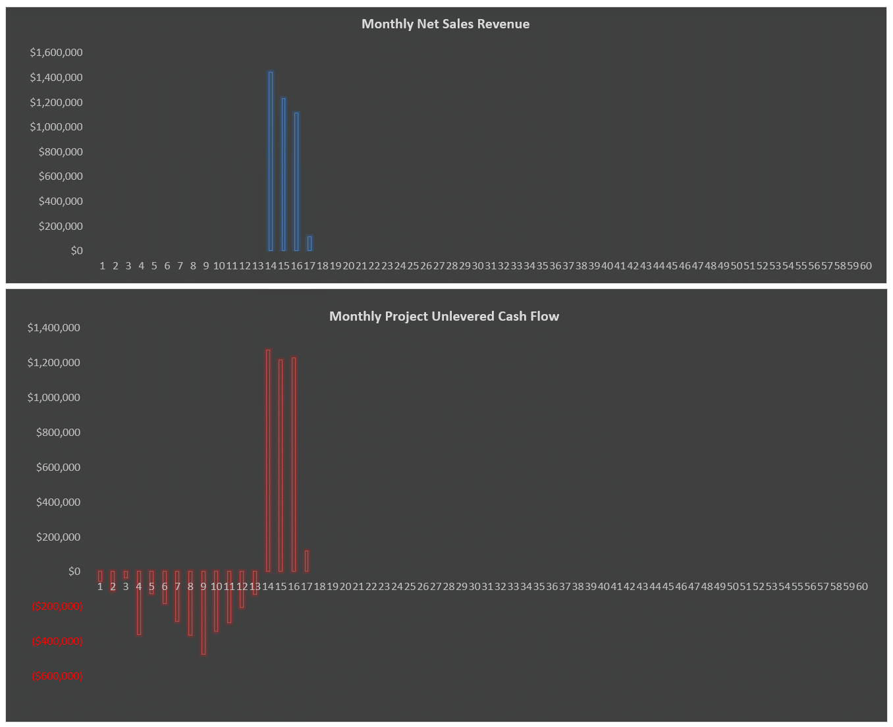
 |  |  |  |  |  | * Operating Deficit and Financing-related Deficits
 |  |  |  |  |  | ** Loan amount includes capitalized interest and capitalized points/fees
 |  |  |  |  |  | ¹ Defined as the sum of land + hard + soft costs per lot

