2 Assumptions Input
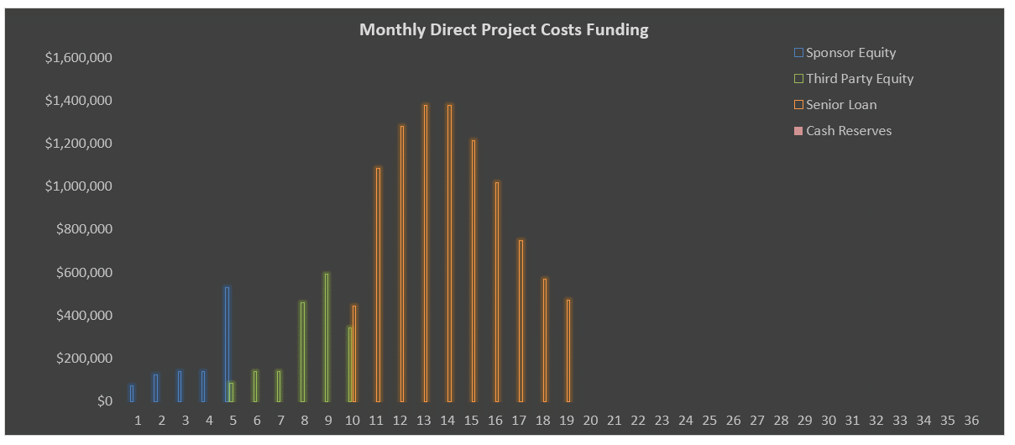
Model Use Instructions (hover mouse)
 | Model Checks: Budget and Financing |  |  |  |  |  |  |  |  |  |  |  |  |  |  |  | Model Checks: Leasing, Profit Sharing
 | Budget |  | OK | Uses = Sources |  | OK |  |  |  |  |  |  |  | SENIOR LOAN |  |  | Market Units | OK
 | Soft Costs allocation = 100% |  | OK | Senior Loan Fully Drawn |  | OK |  |  |  |  |  |  |  | CHECK |  |  | Affordable Units | OK
 | Senior Loan Repayment |  | OK | Land, Parking & Acquisition Costs |  | OK |  |  |  |  |  |  |  | $0 |  |  | Waterfall | OK
 | Assums Tab v. S&U Tab |  | OK | Hard Costs |  | OK
 | S&U monthlies are equal |  | OK | Soft Costs |  | OK

 |  |  |  |  |  |  |  |  |  |  |  |  |  |  |  |  |  |  |  |  |  |  |  |  |  |  |  |  |  |  |  | DON'T ERASE OR MOVE
 |  |  |  |  |  |  |  |  |  | Hard Costs Escalator to GMP Signing Date | 0.00% |  | Soft Costs Escalator | 0.00% |  |  |  |  |  |  |  |  |  |  |  |  |  |  |  |  |  | Maximum Loan Amount
Enter Name | Enter Address |  |  |  |  |  |  |  |  |  |  |  |  |  |  | Enter Name | Enter Address |  |  |  |  |  |  |  |  |  |  |  |  |  |  |  |  | Remaining Principal Only plus Fees
1/4/2017 |  |  |  |  |  |  |  |  |  |  |  |  |  |  | 1/4/2017
 |  |  |  |  |  |  |  |  |  |  | % Total | Per Above-Grade GSF | Per Unit | Total |  |  |  |  |  |  |  |  |  |  |  |  |  |  |  |  |  | DON'T ERASE OR MOVE
BUILDING PROFILE |  |  |  |  |  |  |  | DEVELOPMENT USES OF FUNDS |  |  |  |  |  |  | CASH FLOW |  |  |  |  |  |  | PERMANENT LOAN REFINANCING OF SENIOR CONSTRUCTION LOAN |  |  |  |  |  |  | Permanent Loan Tests |  |  | Select PMT Type
Property Name and Address | Enter Name | Enter Address |  |  |  |  |  |  | Land & Acquisition Costs |  | 10.00% Deposit | 3.86% | $8.00 | $7,143 | $500,000 |  |  |  |  |  |  |  |  |  |  |  |  |  |  | Loan To Value Test |  |  | Current PMTs
 |  |  |  |  |  |  |  | Additional Parking Space Acquisition Costs |  | $500/Space |  |  |  | $25,000 | Apartment Unit Income and Lease Up and Additional Income |  |  | Apartment Operating Expenses Per Unit Per Year |  |  |  | Stabilization | 1.0 mos. after stabilization | Month 29 | Forward NOI at Point of Refinancing |  |  | $1,330,922 | Forward NOI at Point of Refinancing |  | $1,330,922 | Accruing
Lot Square Footage | 0.57 Acres | 25,000 SF | Average Garage Floorplate |  |  |  | 10,000 SF | Total Hard Costs |  |  | 74.39% | $154.20 | $137,679 | $9,637,500 | Leased Apartment Units | (Today's rents) |  | Management |  |  | $1,500 | Point of Refinancing | Year 3 of model | Month 30 | Maximum Loan Amount * |  |  | $11,645,570 | Capitalization Rate at Point of Refinancing |  | 8.00%
Total Gross Building Area Above Grade |  | 62,500 GSF | Useable SF Required Per Parking Spot |  |  |  | 400 GSF | Apartment Building Hard Costs |  | $145.83/Apt. GSF | 67.54% | $140.00 |  | $8,750,000 | Market Unit Average Rent | $2.98 PSF | $2,404/month | Administration |  |  | $1,000 | Date of Refinancing |  | 7/1/2022 | Amount Borrowed: | Remaining Principal Only plus Fees |  |  | Gross Valuation at Point of Refinancing |  | $16,636,528 | DON'T ERASE OR MOVE
Density |  | 2.50 FAR * | Retail Parking |  |  |  | 0 Spots | Retail Hard Costs |  | $100.00/Retail GSF | 1.93% | $4.00 |  | $250,000 | Affordable Unit Average Rent | $1.59 PSF | $1,350/month | Payroll |  |  | $5,000 | Term |  | 30 Years | Principal Amount |  |  | $10,300,073 | Maximum LTV |  | 70.00% | Yes
Zoning |  | To be rezoned | Residential Parking |  |  | 0.7 spot(s)/Apt | 50 Spots | Contingency | 5.00% of Base Building Hard Costs |  | 3.47% | $7.20 |  | $450,000 |  |  |  | Utilities |  |  | $500 | Amortization Period |  | 29 Years | New Loan LTV |  |  | 61.91% | Maximum Loan Proceeds | $11,645,570 |  | No
Allowable Lot Coverage |  | To be rezoned | Programmed Gross Parking Area (Retail + Res'l) |  |  |  | 20,000 GSF | Owner-Directed Hard Costs |  |  | 0.77% | $1.60 |  | $100,000 | Initial/Ongoing Lease-Up Rent Concessions and LCs | 1.0 / | 0.50 mos.of rent | Water & Sewer |  |  | $250 | Interest-only Period (Enter 0 if None) |  | 1.00 Year(s)
Building Allowable Footprint |  | To be rezoned | Levels of Parking Required |  |  |  | 2.00 levels | Retail Tenant Improvements |  |  | 0.68% | $1.40 |  | $87,500 | % of Leases Renewed |  | 90.0% | Repair & Maint. |  |  | $500 | Interest Rate |  | 4.00% | Remaining Senior Loan Principal |  |  | $10,098,111 | Debt Service Coverage Ratio Test |  |  | DON'T ERASE OR MOVE
Height Limit (Stories) |  | 10 Stories | Residential Storage SF / Units |  |  | 5,000 SF | 50 Units | FF&E | Final 1 Month(s) of Construction |  | 0.77% | $1.60 |  | $100,000 | Downtime |  | 0.50 mos. | Insurance |  |  | $250 | Monthly Payment |  | $56,594 | Loan/Broker Fees/Closing Costs |  | 2.00% | $201,962 | Forward NOI at Point of Refinancing |  | $1,330,922 | Trailing 12 Months
Number of Floors |  | 10.00 floors |  |  |  |  |  | Total Soft Costs and Fees | 22.87% of Base Building Hard Costs |  | 15.89% | $32.93 | $29,404 | $2,058,294 | Apartment Vacancy |  | 5.00% | Operating Expenses Per Market Rate Unit Per Year |  |  | $9,000 | Lender Year 1 Debt Yield |  | 12.92% | Excess Proceeds |  |  | $201,962 | Required Debt Service Coverage Ratio |  | 1.50x | Forward 12 Months
Average Slab to Slab Height |  | 11.0 feet | Above-Grade GSF excluding Parking |  |  |  | 62,500 SF | Soft Costs | 5.00% Contingency |  |  | $20.00 |  | $1,312,500 | Credit & Collection Loss |  | 1.00% | Make Ready/Unit Turnover Cost |  |  | $250 | Lender DSCR | Loan Year 1: 2.04x | Loan Year 2: 1.99x | * The Lesser of the three Maximum Loan Proceeds Amounts |  |  |  | Maximum Allowable Debt Service |  | $887,281 | Sale Month Annualized
Height Limit (Feet) |  | 120.0 feet | Total Building Gross SF including Parking |  |  |  | 82,500 SF | Developer Fee | 5.00% of Base Building Hard Costs |  | 10.00% Paid during Pre-construction |  |  | $450,000 | Loss to Lease |  | 0.50% | Tax Rate 0.50% | Ave. Assessed Value: $150,000 | Total Taxes: | $750 |  |  |  |  |  |  |  | Maximum Loan Proceeds | $15,214,848
Building Height (Feet) |  | 100.0 feet |  |  |  |  |  | Construction Mgmt. Fee | 3.00% of Base Building Hard Costs |  |  |  |  | $270,000 | CapEx Reserve Per Unit Per Year |  | $300 | Total Operating Expenses and RE Taxes Per Unit Per Year |  |  | $10,000 | DISPOSITION |  |  |  |  |  |  | LTV | 91.45%
Ground Floor Retail |  | 2,500 RSF |  |  | Average Unit | Share % Total | Unit Count | Retail Leasing Commissions |  |  |  |  |  | $25,794 | Rent Escalates Prior to Delivery? |  | No |  |  |  |  | Apartment Residences & Parking Asset |  |  | Retail Asset
Residual Apartment GSF |  | 60,000 GSF | Market Rate Units |  | 808 RSF | 92.86% | 65 Units | Capitalized Financing Costs |  |  | 4.07% | $8.44 | $7,533 | $527,317 | (also applies to any Retail) |  |  | Unleased Unit Expenses and Global Inflation Factors |  |  |  |  |  |  |  |  |  |  | Debt Yield Test
Residential Use Efficiency Factor |  | 94.58% | Affordable Units |  | 850 RSF | 7.14% | 5 Units | Cash Financing Costs |  |  | 0.78% | $1.62 | $1,443 | $100,981 |  |  |  | Retail Space Operating & Maintenance Expense |  |  | $10.00/SF/Year | Sale Timing | Year 5 of model | Month 60 | Sale Timing | Year 4 of model |  | Month 48 | Forward NOI at Point of Refinancing |  | $1,330,922
Rentable Apartment SF |  | 56,750 RSF | Total Units |  | 811 RSF | 100.00% | 70 Units | Total Development Cost (Uses of Funds) |  |  | 99.95% | $207.19 | $184,987 | $12,949,092 | Parking, Storage and Miscellaneous Income |  |  | Parking Operating & Maintenance Expense |  |  | $10/Spot/Year |  | Year 4 of operation | 2025-01-01 |  | Year 3 of operation |  | 2024-01-01 | Target Debt Yield |  | 10.00%
 |  |  | Go to Unit Mix |  |  |  |  | Operating Deficit |  |  | 0.05% |  |  | $5,941 | Annual Rent/Parking Spot | $100/month | $1,200 | Apartment Unit Operating & Maintenance Expense |  |  | $150/Unit/Year | Valuation Basis of NOI after Replacement Reserves |  | Trailing 12 Months | Valuation Basis of NOI after Replacement Reserves |  |  | Trailing 12 Months | Maximum Loan Proceeds | $13,309,222
 |  |  |  |  |  |  |  | Total Development Cost Including Operating Deficit |  |  | 100.00% | $207.28 | $185,072 | $12,955,033 | Parking Vacancy |  | 5.00% | Storage Space Operating & Maintenance Expense |  |  | $0.25/SF/Year | Trailing 12 Month Adjusted NOI |  | $1,286,239 | Trailing 12 Month Adjusted NOI |  |  | $108,250 | LTV | 80.00%
PROJECT TIMING VARIABLES |  |  |  |  |  |  |  |  |  |  |  |  |  |  | Average Storage Income Per Unit, Monthly |  | $75.00 | Annual Income Inflation Factor |  |  | 3.00% | Sale Capitalization Rate |  | 8.00% | Sale Capitalization Rate |  |  | 9.00%
 | Month # | Date |  |  |  |  |  | DEVELOPMENT SOURCES OF FUNDS |  |  |  |  |  |  | Miscellaneous Income PSF Per Year |  | $0.25 | Annual Expense Inflation Factor |  |  | 2.75% | Gross Valuation | $229,686/apartment | $16,077,989 | Gross Valuation |  | $481.11 PSF | $1,202,778
 |  |  | Affordable Apartment Unit Lease-up Schedule |  |  |  |  |  |  | % of Total Equity | Initial Amount | Deficit Share * | % of Cost | Total Equity |  |  |  | Annual RE Tax Inflation Factor |  |  | 1.15% | Selling Costs |  | 4.00% | Selling Costs |  |  | 2.00%
Analysis Start Date | 1 | 2020-02-01 | # of Affordable Units Pre-Leased by 1st C of O |  |  | 2 Units |  | Equity |  |  |  |  |  |  |  |  |  |  |  |  |  | Net Sales Proceeds |  | $15,434,869 | Net Sales Proceeds |  |  | $1,178,723
Date of Land Contract Execution | 2 | 2020-03-01 | Monthly Absorption Rate/Pre-Lease Duration |  |  | 3.00/month | 1 month(s) | Sponsor/Developer Equity |  | 36.36% | $1,000,000 | $38,881 | 8.02% | $1,038,881 | RETAIL COMPONENT INCOME, TI AND LC ASSUMPTIONS
Land Deposit Date | 2 | 2020-03-01 | Units to Lease / Post-Const. Duration |  |  | 3 Units | 1.0 months | Third Party Investor Equity |  | 63.64% | $1,750,000 | $68,041 | 14.03% | $1,818,041 | Retail Use | Total | NNN Rent (today's) | TI Allowance | TI Start Month # | TI Schedule | Rent Start | RETURNS SUMMARY ^
Land Closing Date | 5 | 2020-06-01 | Last Unit Leased |  |  | Month 18 | 2021-07-01 | Equity Total |  | 100.00% | $2,750,000 | $106,922 | 22.05% | $2,856,922 | Rentable SF: | 2,500 RSF | $45.00 PSF | $35.00 PSF | Month 18 | 2 Months | Month 20 |  |  |  |  | Sponsor/ Developer | Third Party Investor
 |  |  |  |  |  |  |  |  |  |  |  |  |  |  | Leasing Information |  | Leasing Commissions | CapEx Reserve/RSF/ Year | LC Payment Lead Time | Term | Rent End |  |  |  |  |  |  | Total Project
Pre-Construction period: 7 months ^ |  |  | Market Rate Apartment Unit Lease-up Schedule |  |  |  |  |  |  |  |  |  |  | Reserve Used: | Commissions: | $25,794 | 2.00% | $0.25 | 1 Months | 10 Years | Month 140
Construction Start Date | 8 | 2020-09-01 | # of Mkt Units Pre-Leased by 1st C of O |  |  | 5 Units |  | Cash Reserves used for Late Development |  | % of Cash Flow Reserved: | 10.00% |  | 0.00% | $0 |  |  |  | Gross Rent Schedule |  |  |  | Equity Investment |  |  |  | $1,038,881 | $1,818,041 | $2,856,922
Construction Schedule: 12 months |  |  | Monthly Absorption Rate/Pre-Lease Duration |  |  | 10.00/month | 1 month(s) | Reserve Available: | $250,000 | Total Reserve Cap | $250,000 |  |  |  | Retail Income & Expense Growth Factors |  |  | Year 1 | $112,500 | Year 6 | $130,418 | Net Return on Equity |  |  |  | $3,263,253 | $3,457,144 | $6,720,397
First C of O Lead Time: 1 month(s) |  |  | Units to Lease / Post-Const. Duration |  |  | 60 Units | 6.0 months |  | Date |  |  |  |  |  | Lease Escalation | 3.00% |  | Year 2 | $115,875 | Year 7 | $134,331 | Multiple on Equity * |  |  |  | 4.14x | 2.90x | 3.35x
1st C of O and Unit Rent Received | 18 | 2021-07-01 | Last Unit Leased |  |  | Month 25 | 2022-02-01 | Senior Construction Loan ** | 2020-11-01 | 4.00% Interest |  | 100.00% | 77.95% | $10,098,111 | Expense/CapEx Growth | 2.75% |  | Year 3 | $119,351 | Year 8 | $138,361 | IRR |  |  |  | 41.68% | 35.14% | 38.05%
Construction End & Final C of O Received | 19 | 2021-08-01 | Total Number of Mos. of Residential Lease-up |  |  | 8 months |  | Mortgage Recording Tax | 2020-11-01 | 1.00% |  |  |  |  | Vacancy | 5.00% |  | Year 4 | $122,932 | Year 9 | $142,512 | Net Present Value | Annual discount rate: 10.00% |  |  |  |  | $3,589,542
Last Market Unit Leased | 25 | 2022-02-01 |  |  |  |  |  | Loan Fees - Front End | 2020-11-01 | 1.00% |  |  |  |  | Credit & Collection Loss | 1.00% |  | Year 5 | $126,620 | Year 10 | $146,787 | Going-In NOI | Apartments & Parking: | $1,228,953 | Retail: | $106,132 |  | $1,335,085
Months to Stabilization: 4 | 29 | 2022-06-01 | Retail Space Timing Schedule |  |  |  |  | Loan Fees - At Draws |  | 0.35% |  |  |  |  |  |  |  |  |  | Total | $1,289,686 | Going-In Yield |  |  |  |  |  | 10.31%
 |  |  | First Retail Tenant Improvement Payment |  |  | 2021-07-01 | Month 18 | Switch to Cash Interest Payments | Month 26 | Clawback due to Costs Capitalized for Late Dev. |  | $0
 |  |  | TI Schedule |  |  |  | 2 Months |  | 2022-03-01 |  |  |  |  |  | EQUITY JOINT VENTURE PARTNERSHIP WATERFALL STRUCTURE |  |  |  |  |  |  | NOTES
 |  |  | Rent Commencement |  |  | 2021-09-01 | Month 20 |  |  |  |  | Debt Total | 77.95% | $10,098,111 | Partnership Structure |  |  |  | Preferred Return | Residual Split
 |  |  |  |  |  |  |  |  |  |  |  | Property Cash Flow | 0.00% | $0 |  | % Total Equity | Profit >> Sharing >> Splits >> |  | 8.00% |  | Sponsor Promote
 |  |  |  |  |  |  |  |  |  |  |  | Total Sources of Funds | 100.00% | $12,955,033 | Sponsor/Developer Equity | 36.36% |  | Sponsor/Developer Equity | 36.36% | 50.00% | 13.64% | ^ Calculated off of monthly cash flows.
 |  |  |  |  |  |  |  |  |  |  |  |  |  |  | Investor | 63.64% |  | Investor Equity | 63.64% | 50.00% |  | * A 1.00x multiple = breakeven. Multiple on equity ignores the time value of money.
* FAR ("floor area ratio") = the ratio of the above-grade Gross Floor SF to the Lot Square Footage |  |  |  |  |  |  |  | * Any operating and financing-related deficits are assumed to be funded by equity |  |  |  |  |  |  | Total | 100.00% |  | Total | 100.00% | 100.00%
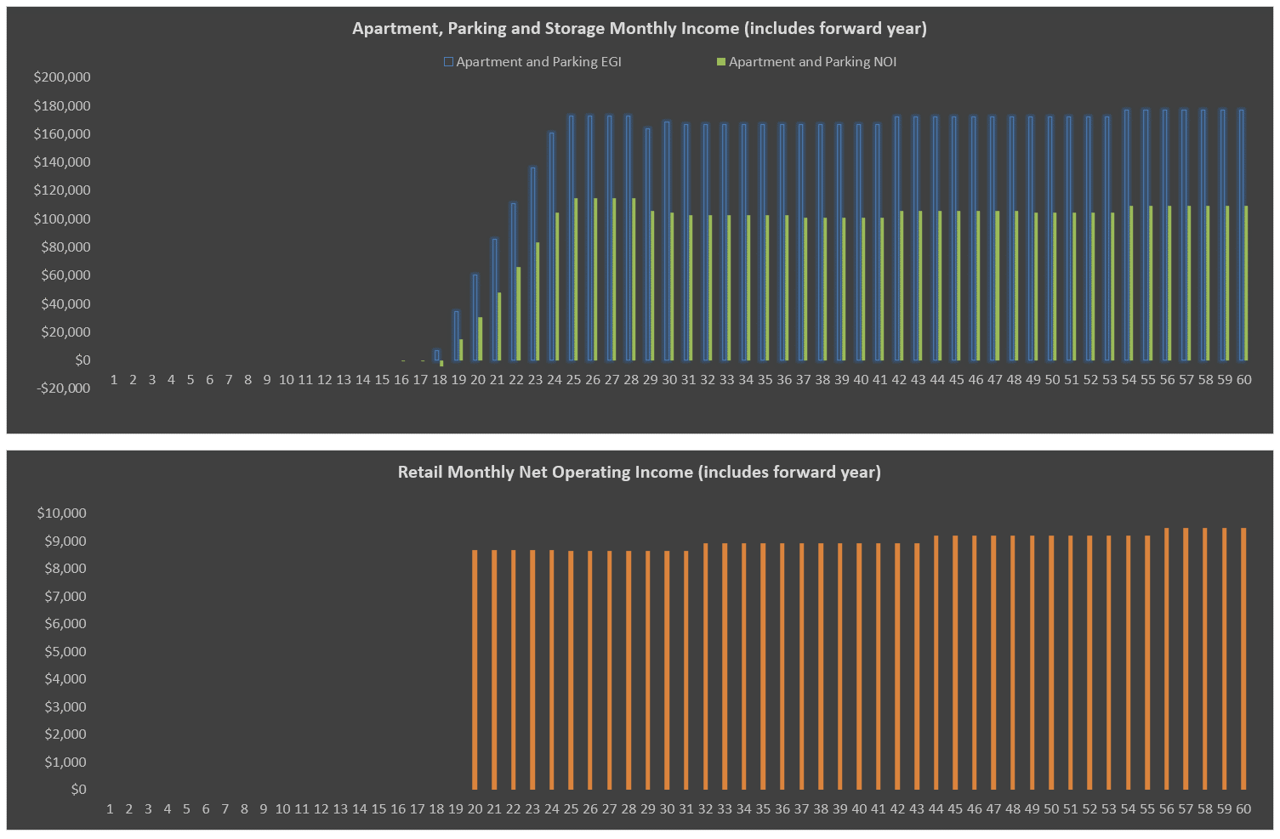
^ inclusive of Analysis Start month |  |  |  |  |  |  |  | ** Loan amount includes capitalized interest and capitalized points/fees

