2 Assumptions Input
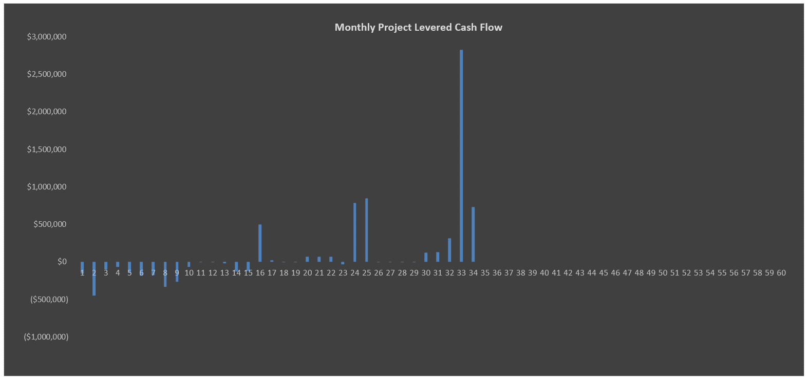
Model Use Instructions (hover mouse)
 |  | Model Checks: Budget, Financing, Absorption |  |  |  |  |  |  |  |  |  |  |  | Model Checks: Sales and Closings, Profit Sharing |  |  |  |  |  |  |  |  |  |  |  | DON'T ERASE OR MOVE
 |  | Assums Tab vs. S&U Tab |  | OK | Soft Cost allocation = 100% | OK |  |  |  |  |  | Senior Loan |  | Lot Sales - Phase 1 |  | All Sold |  |  | Lot Mix Details |  |  |  | OK |  |  | Select PMT Type
 |  | Assumptions S&U Table |  | OK | Land Loan Repayment | Repayment OK |  |  |  |  |  | Check |  | Lot Closings - Phase 1 |  | All Closed |  |  | Deposit Revenue Check |  |  |  | REVENUE OK |  |  | Current PMTs
 |  | S&U Table balances |  | OK | Senior Loan Repayment | Repayment OK |  |  |  |  |  | $0 |  | Lot Sales - Phase 2 |  | All Sold |  |  | Unit Sales Distribution |  |  |  | Balances OK |  |  | Accruing
 |  | Sources & Uses Tab Check |  | OK | Phase 2 Check | OK |  |  |  |  |  |  |  | Lot Closings - Phase 2 |  | All Closed |  |  | Profit Sharing - IRR Waterfall #1 |  |  |  | Checks out OK
 |  | Budget |  | OK | Phase 3 Check | OK |  |  |  |  |  |  |  | Lot Sales - Phase 3 |  | All Sold |  |  | Profit Sharing - IRR Waterfall #2 |  |  |  | Checks out OK
 |  |  |  |  |  |  |  |  |  |  |  |  |  | Lot Closings - Phase 3 |  | All Closed

The Meadows at Fair Lakes |  |  |  |  |  |  |  |  |  |  |  |  | The Meadows at Fair Lakes
1/4/2017 |  |  |  |  |  |  |  |  |  |  |  |  | 1/4/2017

SITE INFORMATION |  |  |  |  |  | DEVELOPMENT USES OF FUNDS |  |  |  |  |  |  | SALES CASH FLOWS |  |  |  |  |  | OPERATING EXPENSES
Project Name | The Meadows at Fair Lakes |  |  |  |  |  |  |  | $/Acre | % Total | $/Lot | Total
 |  |  |  |  |  | Land and Acquisition Costs |  |  | $24,194 | 23.48% | $22,059 | $2,250,000 | G&A / Sales Office / Marketing |  | $3,500/mo | Start 1 Month(s) prior to Phase 1 Pre-Sales |  |  | Operating Expense Escalation Factor |  |  |  |  |  | 3.00%
Location |  |  | Zoning |  |  | Phase 1 Land | 31.00 acres | 10.00% Deposit | $24,194 |  | $22,059 | $750,000
Address |  | Enter Address | Current Zoning |  | Zoning (Current) | Phase 2 Land | 31.00 acres | 10.00% Deposit | $24,194 |  | $22,059 | $750,000 |  |  |  | Average Pre-Sales Sales Price | Average Regular Sales Price |  | Operating Expenses per completed, unclosed lot per year
County |  | Enter County | Target Zoning |  | Residential | Phase 3 Land | 31.00 acres | 10.00% Deposit | $24,194 |  | $22,059 | $750,000 | Developed Lots |  | Average Price |  |  | Average Acreage | Management |  |  |  |  |  | $1,500
Land Owner |  | Enter Owner Name |  |  |  |  |  |  |  |  |  |  | Phase 1 | 34 Lots | $125,551 | $118,750 | $129,762 | 0.91 acres | Administration |  |  |  |  |  | $2,000
 |  |  |  |  |  | Total Hard Costs |  |  | $57,750 | 56.04% | $52,654 | $5,370,750 | Phase 2 | 34 Lots | $143,735 | $139,333 | $146,136 | 0.91 acres | Payroll |  |  |  |  |  | $5,000
Property Density & Physical |  |  |  |  |  | Development Hard Costs - Phase 1 |  |  | $50,000/acre |  | $45,588 | $1,550,000 | Phase 3 | 34 Lots | $162,537 | $156,354 | $165,909 | 0.91 acres | Utilities |  |  |  |  |  | $650
Maximum Allowable Density |  |  | 0.91-acre lot size on average |  | 1.10 Lot(s) per acre | Development Hard Costs - Phase 2 |  |  | $55,000/acre |  | $50,147 | $1,705,000 | Total | 102 Lots |  |  |  |  | Water & Sewer |  |  |  |  |  | $250
Site Acreage |  |  |  |  | 93.00 acres | Development Hard Costs - Phase 3 |  |  | $60,000/acre |  | $54,706 | $1,860,000 |  |  |  |  |  |  | Repair & Maint. |  |  |  |  |  | $200
Maximum Developed Lots |  |  |  |  | 102.30 Lots | Hard Costs Contingency |  | 5.00% of Hard Costs |  |  | $2,507 | $255,750 |  |  |  |  |  |  | Insurance |  |  |  |  |  | $300
Total Number of Planned Lots |  |  | 0.91-acre lot size on average |  | 102.00 Lots |  |  |  |  |  |  |  | Pre-Sales | Phase 1 | Phase 2 | Phase 3 | Total |  | Miscellaneous |  |  |  |  |  | $100
 |  |  |  |  |  | Total Soft Costs and Fees |  | Soft Costs Curve Inputs | $17,050 | 16.54% | $15,546 | $1,585,650 | Pre-Sale Lots | 13 | 12 | 12 | 37 |  | Total Operating Expenses |  |  |  |  |  | $10,000
 |  |  |  |  |  | Soft Costs |  | 25.00% of Hard Costs |  |  | $12,537 | $1,278,750 | Average Lot Price | $118,750 | $139,333 | $156,354
Phasing |  |  |  |  |  | Developer Fee |  | 4.00% of Hard Costs |  |  |  | $204,600 | Discount | 5.00% | 5.00% | 5.00% |  |  | Real Estate Taxes
Phases (not necessarily an even lot count in each) |  |  |  |  | 3 | CM Fee |  | 2.00% of Hard Costs |  |  |  | $102,300 |  |  |  |  |  |  | Tax Rate |  |  |  |  |  | 0.85%
 |  |  |  |  |  | Financing Costs excl. any Operating Deficit |  |  | $3,202 | 3.11% | $2,920 | $297,796 | Deposit: 10.00% | $154,375 | $167,200 | $187,625 | $509,200
PROJECT TIMING, PHASING AND SALES/CLOSINGS |  |  |  |  |  | Total Uses of Funds |  |  | $102,196 |  |  | $9,504,196 | Settlements | $1,389,375 | $1,504,800 | $1,688,625 | $4,582,800 |  | Real Estate Taxes on completed, unclosed lots |  |  |  |  | Average Lot Assessed Value
 |  |  |  |  |  | Operating Deficit (Funded by Equity) |  |  |  | 0.84% |  | $80,131 | Pre-Sales Revenue, Net | $1,543,750 | $1,672,000 | $1,876,250 | $5,092,000 |  | Annual Real Estate Taxes/Lot after Phase 1 Completion |  |  |  |  | $175,000 | $1,488
 |  |  | Month # |  | Date | Total Uses of Funds with Operating Def. |  |  | $103,057 | 100.00% | $93,964 | $9,584,327 |  |  |  |  |  |  | Annual Real Estate Taxes/Lot after Phase 2 Completion |  |  |  |  | $180,000 | $1,530
Analysis Start Date |  |  | Mo. 1 |  | 2020-06-01 |  |  |  |  |  |  |  |  |  |  |  |  |  | Annual Real Estate Taxes/Lot after Phase 3 Completion |  |  |  |  | $190,000 | $1,615
Land Deposit Date Phase 1 |  |  | Mo. 2 |  | 2020-07-01 | DEVELOPMENT SOURCES OF FUNDS |  |  |  |  |  |  | Regular Sales | Phase 1 | Phase 2 | Phase 3 | Total |  | Annual Real Estate Taxes/Lot after Completion |  |  |  |  |  | $4,633
Land Closing Date Phase 1 |  |  | Mo. 2 |  | 2020-07-01 |  | % of Developer Equity |  |  | Deficit |  |  | Regular Sales Lots | 21 | 22 | 22 | 65
Land Deposit Date Phase 2 |  |  | Mo. 12 |  | 2021-05-01 | Equity |  | % of Total Equity | Initial Amount | Share * | % of Cost | Total Equity | Average Unit Price | $129,762 | $146,136 | $165,909 |  |  | JOINT VENTURE EQUITY PARTNERSHIP WATERFALL
Land Closing Date Phase 2 |  |  | Mo. 12 |  | 2021-05-01 | Developer Sponsor Land Equity | 25.00% | 8.11% | $150,000 | $14,642 | 1.72% | $164,642
Land Deposit Date Phase 3 |  |  | Mo. 19 |  | 2021-12-01 | Developer Sponsor Cash Equity | 8.33% | 2.70% | $50,000 | $4,881 | 0.57% | $54,881 | Deposit: 10.00% | $272,500 | $321,500 | $365,000 | $959,000 |  | Waterfall #1 |  | IRR Hurdle Rates
Land Closing Date Phase 3 |  |  | Mo. 19 |  | 2021-12-01 | Equity Partner (if Any) | 66.67% | 21.62% | $400,000 | $39,044 | 4.58% | $439,044 | Settlements | $2,452,500 | $2,893,500 | $3,285,000 | $8,631,000 |  | Partnership Structure |  | Pref: 8% | Tier 1: 12% | Tier 2: 15% | Tier 3: 18% | Tier 4: > 18%
 |  |  |  |  |  | Third Party Investor |  | 67.57% | $1,250,000 | $122,014 | 14.32% | $1,372,014 | Regular Sales Revenue, Net | $2,725,000 | $3,215,000 | $3,650,000 | $9,590,000 |  | Sponsor Equity | Profit >> Sharing >> Splits >> | 0.00% | 0.00% | 0.00% | 0.00% | 0.00%
 |  |  |  |  |  | Equity Total |  | 100.00% | $1,850,000 | $180,581 | 21.19% | $2,030,581 |  |  |  |  |  |  | Sponsor Promote |  | 0.00% | 10.00% | 15.00% | 20.00% | 25.00%
 |  | Start Month # | Duration | End Month # | # of Lots |  |  |  |  |  |  |  |  |  |  |  |  |  | Investor Equity |  | 100.00% | 90.00% | 85.00% | 80.00% | 75.00%
Phase 1 | 34 Lots |  |  |  |  | Debt & Cash from Deposits |  |  |  |  |  | Total | Total Sales |  |  |  |  |  |  |  | 100.00% | 100.00% | 100.00% | 100.00% | 100.00%
Pre-Construction |  |  | 4 months | Go to Gantt Chart |  |  |  |  |  |  |  |  | All Sales | $4,268,750 | $4,887,000 | $5,526,250 | $14,682,000
Sitework and Infrastructure Construction |  | 5 | 9 months | 13 | 3.78 completed/mo. | Land Loan | Closing Date | Repayment Date | 3.00% Interest | Accruing |  | $500,000 | Selling Costs: 5.00% | ($213,438) | ($244,350) | ($276,313) | ($734,100) |  | Waterfall #2 |  | IRR Hurdle Rates
Pre-Sales Duration, Start, End, Rate | 13 Lots | 7 | 2 months | 8 | 8.00/Month | Mortgage Recording Tax | 2020-07-01 | 2021-03-01 | 0.25% |  |  |  | Pre-Sales Deposits for Development | ($154,375) | ($167,200) | ($187,625) | ($509,200) |  | Sponsor Structure |  | Pref: 10% | Tier 1: 12% | Tier 2: 14% | Tier 3: 18% | Tier 4: > 18%
Regular Sales Duration, Start, End, Rate | 21 Lots | 14 | 3 months | 16 | 10.00/Month | Origination Cost - Paid in Cash |  |  | 0.50% |  |  |  | Total Net Sales Revenue | $3,900,938 | $4,475,450 | $5,062,313 | $13,438,700 |  | Sponsor Equity | Profit >> Sharing >> Splits >> | 33.33% | 33.33% | 33.33% | 33.33% | 33.33%
Lot Deposit to Closing Timing |  |  | 1 month(s) |  |  |  |  |  |  |  |  |  |  |  |  |  |  |  | Sponsor Promote |  | 0.00% | 8.00% | 10.00% | 15.00% | 22.00%
Pre-Sales Closings |  | 14 | 1 month(s) | 14 | 13 closed/month | Pre-Sales Deposits for Development |  |  |  |  | 5.31% | $509,200 |  |  |  |  |  |  | Developer Partner Equity |  | 66.67% | 58.67% | 56.67% | 51.67% | 44.67%
Regular Sales Closings |  | 15 | 3 months | 17 | 10 closed/month | Deposit Revenue for Development Costs |  | % of Total Deposits Used: | 100.00% |  |  |  |  |  |  |  |  |  |  |  | 100.00% | 100.00% | 100.00% | 100.00% | 100.00%
All Closings |  | 14 | 4 months | 17 |  |  |  |  |  |  |  | Reserve Used: |  |  |  |  |  |  | Note: By its nature, the Preferred Return (Tier 1) includes the Return of Capital.
 |  |  |  |  |  | Cash Reserves used for Late Development |  | % of Cash Flow Reserved: | 10.00% |  | 4.09% | $391,703
Phase 2 | 34 Lots |  |  |  |  | Reserve Available: | $500,000 | Total Reserve Cap | $500,000 |  |  |  | NOTES |  |  |  |  |  | EQUITY RETURNS ^
Sitework and Infrastructure Construction |  | 14 | 9 months | 22 | 3.78 completed/mo. |  |  |  |  |  |  |  |  |  |  |  |  |  |  |  |  |  |  | Profit Margin: 28.81% *
Pre-Sales Duration, Start, End, Rate | 12 Lots | 17 | 1 months | 17 | 12.00/Month |  |  |  |  |  |  |  | ^ Calculated off of monthly cash flows, net of any Land Seller Kicker amounts distributed. |  |  |  |  |  |  |  |  | Sponsor Developer
Regular Sales Duration, Start, End, Rate | 22 Lots | 23 | 2 months | 24 | 14.00/Month | Mezzanine Loan | Closing Date |  | 10.00% Interest |  | 5.22% | $500,000 | * Profit amount in numerator includes any Land Seller Kicker amounts to be distributed. |  |  |  |  |  |  |  |  |  | Equity Partner | Third Party Investor | Total Project
Lot Deposit to Closing Timing |  |  | 1 month(s) |  |  | Loan Fees - Front End | 2021-06-01 |  | 2.00% |  |  |  |  |  |  |  |  |  | Equity Investment |  |  | $200,000 | $400,000 | $1,250,000 | $1,850,000
Pre-Sales Closings |  | 20 | 3 months | 22 | 4 closed/month |  |  |  |  |  |  |  |  |  |  |  |  |  | Net Return on Equity |  |  | $1,176,412 | $1,015,804 | $1,774,029 | $3,966,245
Regular Sales Closings |  | 24 | 2 months | 25 | 14 closed/month |  |  |  |  |  |  |  |  |  |  |  |  |  | Multiple on Equity |  |  | 3.74x | 3.31x | 2.29x | 2.95x
All Closings |  | 20 | 6 months | 25 |  | AD&C Senior Loan ** | Closing Date |  | 5.00% Interest |  | 63.97% | $6,131,127 |  |  |  |  |  |  | IRR |  |  | 111.87% | 70.52% | 63.30% | 74.49%
 |  |  |  |  |  | Mortgage Recording Tax | 2021-03-01 |  | 1.00% |  |  |  |  |  |  |  |  |  | NPV off of Monthly CFs |  |  | 8.00% |  |  | $3,244,494
Phase 3 | 34 Lots |  |  |  |  | Loan Fees - Front End | 2021-03-01 |  | 1.00%
Sitework and Infrastructure Construction |  | 23 | 9 months | 31 | 3.78 completed/mo. | Loan Fees - At Draws | 2021-03-01 |  | 1.00% |  |  |  |  |  |  |  |  |  | Land Seller Kicker
Pre-Sales Duration, Start, End, Rate | 12 Lots | 28 | 1 months | 28 | 16.00/Month | Repayment % of Land Value ¹ |  | 110.00% |  | Debt Total ^ | 69.19% | $6,631,127 |  |  |  |  |  |  | IRR Return Hurdle |  | 10.00%
Regular Sales Duration, Start, End, Rate | 22 Lots | 32 | 2 months | 33 | 18.00/Month | Switch to Cash Interest Payments | 2022-03-01 | Month 22 |  | Property Cash Flow | 0.23% | $21,717 |  |  |  |  |  |  | Participation % above Hurdle |  | 5.00%
Lot Deposit to Closing Timing |  |  | 1 month(s) |  |  |  | Clawback due to Costs Capitalized for Late Dev. | $0 |  | Total Sources of Funds ^ | 100.00% | $9,584,327 |  |  |  |  |  |  | Kicker cash to Land Seller |  | $263,199
Pre-Sales Closings |  | 30 | 3 months | 32 | 4 closed/month
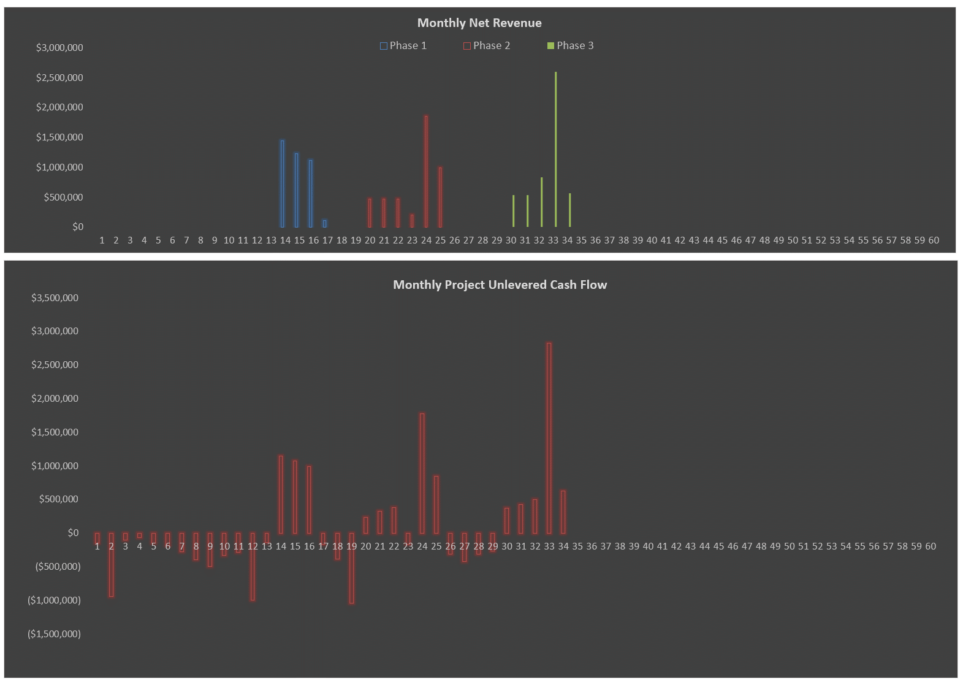
Regular Sales Closings |  | 33 | 2 months | 34 | 18 closed/month
All Closings |  | 30 | 5 months | 34

 |  |  |  |  |  | * Operating Deficit and Financing-related Deficits
 |  |  |  |  |  | ** Loan amount includes capitalized interest and capitalized points/fees
 |  |  |  |  |  | ^ Excludes any Land Loan since the Land Loan is replaced by the AD&C Senior Loan
 |  |  |  |  |  | ¹ Defined as the sum of land + hard + soft costs per lot

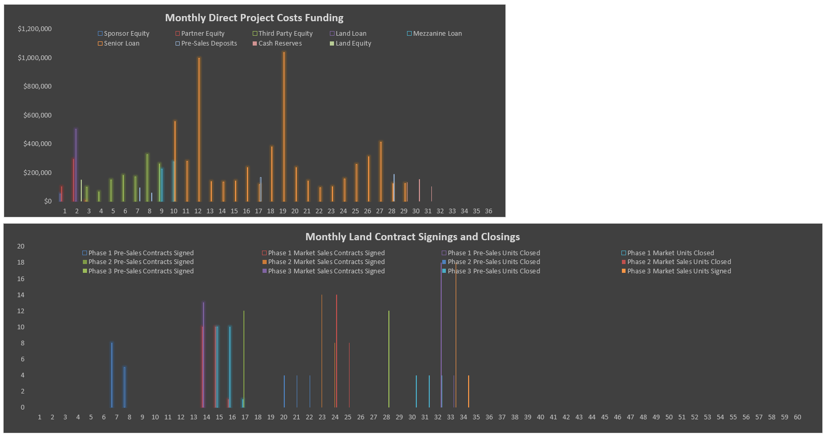

Monthly Project Unlevered Cash Flow
 | Unlevered Cash Flow
 | 1

