2 Assumptions Input
Model Use Instructions
 |  | Model Checks: Budget, Financing, Absorption |  |  |  |  |  |  |  |  |  |  |  | Model Checks: Sales and Closings, Profit Sharing
 |  | Budget Projection = Static |  | OK |  |  |  |  |  |  |  | Senior Loan |  | Condominiums |  | All Units Sold |  | Profit Sharing | OK
 |  | Soft Cost allocation = 100% |  | OK |  |  |  |  |  |  |  | Check |  |  |  | All Units Closed
 |  | S&U Table balances |  | OK |  |  |  |  |  |  |  | $0 |  | Parking |  | All Parking Sold
 |  | Senior Loan Repayment |  | Repayment OK |  |  |  |  |  |  |  |  |  |  |  | All Parking Closed
 |  | Unit Sales Distribution |  | OK |  |  |  |  |  |  |  |  |  | Storage |  | All Storage Sold
 |  | Retail Hard Costs |  | OK |  |  |  |  |  |  |  |  |  |  |  | All Storage Closed
 |  |  |  |  |  |  |  |  |  |  |  |  |  | Deposit Revenue Check |  | Revenue OK
 |  |  |  |  |  |  |  |  |  |  |  |  |  |  |  |  |  |  |  |  |  |  |  |  |  | DO NOT MOVE OR ERASE
Enter Name |  |  |  |  |  |  |  |  |  |  |  |  | Enter Name |  |  |  |  |  |  |  |  |  |  |  |  | Yes
4/11/2016 |  |  |  |  |  |  |  |  |  |  |  |  | 4/11/2016 |  |  |  |  |  |  |  |  |  |  |  |  | No
 |  |  |  |  |  |  |  |  | % Total | $/Unit | $/GSF | Total
BUILDING INFORMATION |  |  |  |  |  | DEVELOPMENT USES OF FUNDS |  |  |  |  |  |  | RESIDENTIAL COMPONENT REVENUES |  |  |  |  | RETAIL COMPONENT INCOME, TI, LC AND SALE ASSUMPTIONS |  |  |  |  |  |  |  | DO NOT MOVE OR ERASE
Project Name | Enter Name |  |  |  |  | Land and Acquisition Costs |  | 5.00% Deposit | 10.01% | $30,303 | $20.00 | $1,000,000 | Residential Units | Units | Average Price |  | Average SF |  |  |  |  |  |  |  |  | Forward Year NOI
 |  |  |  |  |  | Parking Space Acquisition Costs |  | $14,500 Per Space | 7.25% |  |  | $725,000 | Pre-Sales | 14 Units | $379,125 | $418 PSF | 907 SSF |  | NNN Rent |  |  | TI Allowance | TI Start Month # | TI Schedule |  | Trailing 12 Months NOI
Lot Square Footage | 10,000 SF |  | Allowable FAR |  | 5.0 FAR | Total Hard Costs |  |  | 60.90% | $184,444 | $121.73 | $6,086,640 | Regular Sales | 19 Units | $637,763 | $416 PSF | 1,532 SSF | Rent Escalates Prior to Delivery? |  | No | $25.00 | $5.00 | Month 20 | 2 Months
Total Above-Grade Gross SF | 50,000 GSF |  | Stories |  | 5 Stories | Condominium Hard Costs |  |  |  | $151,515 | $100.00 | $5,000,000 | Total | 33 Units | $528,038 | $417 PSF | 1,267 SSF | Lease Escalation |  | 0.00%
 |  |  |  |  |  | Retail Hard Costs |  | $100/Retail SF |  |  |  | $500,000
Residential Units |  | 90% of GSF | Unit Type | Unit Total | Avg. Sf | Owner Directed Hard Costs | $7,576/Unit |  |  |  |  | $250,000 | Pre-Sales | Residential | Parking | Storage | Total |  | Leasing Commissions |  |  | Term | OpEx/SF/Yr | RE Taxes/SF/Yr
Residual GSF of Residential |  | 45,000 GSF | Pre-Sales | 14 Units | 907 SF | FF& E | Final 2 Months of Conx. |  |  | $1,515 | $1.00 | $50,000 | Pre-Sale Units | 14 Units | 21 Spaces | 21 Units |  |  | Commission: | $31,250 | 5.00% | 5 Years | $5.00 | $10.00
Salable Square Feet of Residential |  | 41,800 SSF | Regular Sales | 19 Units | 1,532 SF | Hard Costs Contingency | 4.76% of Base Building Hard Costs |  |  | $7,928 | $5.23 | $261,640 | Average Unit Price | $379,125 | $40,000 | $1,000 |  | Leasing Commission Payment Lead Time * |  |  | 1 Months
Net Efficiency | 92.9% Efficiency |  | Total Units | 33 Units | 1,267 SF | Retail Tenant Improvements |  |  |  |  |  | $25,000 | Discount | 10.00% | 10.00% | 10.00%
 |  |  |  |  |  | Total Soft Costs and Fees |  |  | 17.02% | $51,530 | $34.01 | $1,700,501 | Option Upgrades % Price | 5.00% |  |  |  | Rent Schedule |  |  |  | Retail Sale
 |  |  | Average SF |  |  | Soft Costs | 26.85% of Hard Costs |  |  | $44,750 | $29.54 | $1,476,751 | Deposits: 20.00% | $1,114,628 | $169,697 | $4,242 | $1,288,567 | Year 1 | $125,000 | Year 6 | $0 | NOI Start Month |  |  | Month 22
Retail Units | 10% of GSF |  | Parking |  | 50 Spaces | Developer Fee | 2.00% of Base Building Hard Costs |  |  |  |  | $110,000 | Settlements | $4,458,510 | $678,788 | $16,970 | $5,154,268 | Year 2 | $125,000 | Year 7 | $0 | Sale of Retail in Month |  |  | Month 24
Retail GSF | 5,000 GSF |  | Number of Storage Units |  | 50 Units | Retail Tenant Broker Fees and Leasing Commissions |  |  |  |  |  | $31,250 | Total Pre-Sale Revenue | $5,573,138 | $848,485 | $21,212 | $6,442,834 | Year 3 | $125,000 | Year 8 | $0 | Cap Rate at Sale |  |  | 2.00%
 |  |  |  |  |  | CM Fee (Developer) | 1.50% of Base Building Hard Costs |  |  |  |  | $82,500 |  |  |  |  |  | Year 4 | $125,000 | Year 9 | $0 | Selling Costs |  |  | 8.00%
 |  |  |  |  | * See Unit Mix and Pricing Tab | Capitalized Financing Costs |  |  | 2.55% | $7,708 | $5.09 | $254,353 | Regular Sales | Residential | Parking | Storage | Total | Year 5 | $125,000 | Year 10 | $0 | Retail Condo. Net Proceeds |  |  | $5,750,000
PROJECT TIMING AND SALES VELOCITY ASSUMPTIONS |  |  |  |  |  | Cash Financing Costs |  |  | 2.27% |  |  | $227,255 | Regular Sales Units | 19 Units | 29 Spaces | 29 Units |  |  |  | Total | $625,000 | Retail Sale Valuation: |  | Trailing 12 Months NOI
 |  | Value | Value | Month # | Date | Total Uses of Funds |  |  | 100.00% | $302,841 | $180.83 | $9,993,750 | Average Unit Price | $637,763 | $40,000 | $1,000
Analysis Start Date |  |  |  | Mo. 1 | 2020-06-01 | Operating Deficit (Funded by Equity) |  |  |  |  |  | $6,250 | Option Upgrades % Price | 5.00% |  |  |  | RETURNS (CALCULATED OFF OF MONTHLY CASH FLOWS)
Date of Land Contract Execution |  |  |  | Mo. 1 | 2020-06-01 | Total Uses of Funds with Operating Def. |  |  |  | $303,030 | $200.00 | $10,000,000 | Deposits: 15.00% | $1,908,506 | $172,727 | $4,318 | $2,085,552 |  |  |  |  | Sponsor/ Developer | Third Party Investor | Total Project
Land Deposit Date |  |  |  | Mo. 1 | 2020-06-01 | DEVELOPMENT SOURCES OF FUNDS |  |  |  |  |  |  | Settlements | $10,814,869 | $978,788 | $24,470 | $11,818,126
Land Closing Date (includes any parking) |  |  |  | Mo. 1 | 2020-06-01 |  |  | % of Total | Initial | Share of any | % of | Total Equity | Total Regular Sales Revenue | $12,723,375 | $1,151,515 | $28,788 | $13,903,678 | Equity Investment |  |  |  | $750,000 | $1,250,000 | $2,000,000
# Months of Pre-Construction After Analysis Start |  |  | 6 Months |  |  | Equity |  | Equity | Investment | Deficits * | Cost | w/Deficits |  |  |  |  |  | Net Return on Equity |  |  |  | $7,106,206 | $7,176,319 | $14,282,525
Construction Duration/Construction Start |  |  | 12 Months | Mo. 7 | 1/1/21 | Sponsor/Developer |  | 37.50% | $750,000 | $63,630 | 8.14% | $813,630 | Total Sales |  |  |  |  | Multiple on Equity |  |  |  | 9.73x | 6.29x | 7.58x
 |  |  |  |  |  | Third Party Investor |  | 62.50% | $1,250,000 | $106,050 | 13.56% | $1,356,050 | All Sales | $18,296,513 | $2,000,000 | $50,000 | $20,346,513 | IRR |  |  |  | 261.20% | 188.49% | 218.04%
Pre-Sales Begin |  |  |  | Mo. 15 | 8/1/21 | Equity Total |  | 100.00% | $2,000,000 | $169,681 | 21.70% | $2,169,681 | Less Selling Costs: 5.00% | ($914,826) | ($100,000) | ($2,500) | ($1,017,326) | NPV off of Monthly Cash Flows |  |  |  | 10.00% |  | $11,695,317
Pre-Sales Duration/End Month |  |  | 4 Months | Mo. 18 | 11/1/21 |  |  |  |  |  |  |  | Net Sales Revenue | $17,381,687 | $1,900,000 | $47,500 | $19,329,187 | Residential Component Profit Margin |  |  |  |  |  | 56.45%
Pre-Sales % Sold/Velocity/# Units | 42% | 4/Month | 14 Units |  |  | Pre-Sales Deposits towards Development |  | % of Total Deposits Used: | 10.00% |  | 1.29% | $128,857 | Less Option Upgrade Cost of $23,762/Condo |  | % Gross Cost | 90.00% | (10% Pft Mgn.) | Retail Component Profit Margin |  |  |  |  |  | 76.00%
# of Months of Pre-sale Closings |  |  | 4 Months
 |  |  |  |  |  | Cash Reserves used for Late Development |  | % of Cash Flow Reserved: | 5.00% | Reserve Used: | 0.00% | $0 | RESIDENTIAL COMPONENT OPERATING ASSUMPTIONS |  |  |  |  | NOTES
First C of O Received |  | Construction Month #12 |  | Mo. 18 | 11/1/21 | Reserve Available: | $250,000 | Total Reserve Cap | $250,000
Market Sales Velocity/Begin |  |  | 5/Month | Mo. 19 |  |  |  |  |  |  |  |  | Operating Expenses Per Unit Per Year |  | Real Estate Taxes on Residential Units and Inflation Rate |  |  | * # of months prior to TI Start Month
 |  |  |  |  |  | Debt | Closing Date |  |  |  |  | Total | Management | $2,500 | Annual Inflation Rate for Op Ex/Deficit |  | 0.00%
Final C of O Received/End of Construction |  |  |  | Mo. 18 | 11/1/21 | Senior Loan ** | 2020-09-01 | Mo. 4 | 5.0% Interest |  | 76.38% | $7,637,638 | Administration | $1,000
First Move-Ins |  |  |  | Mo. 18 | 11/1/21 | Mortgage Recording Tax | 2020-09-01 |  | 1.00% |  |  |  | Payroll | $1,500 | Average Assessed Value |  | $400,000
Sales After First C of O |  | 58% Total | 19 Units |  |  | Loan Fees - Front End | 2020-09-01 |  | 1.00% |  |  |  | Utilities | $600 | Tax Rate |  | 1.00%
 |  |  |  |  |  | Loan Fees - At Draws |  |  | 1.00% |  |  |  | Water & Sewer | $350 | Annual Real Estate Taxes/Unit after First C of O |  | $4,000
Market Sales Completion Timing |  |  |  | Mo. 23 | 4/1/22 | Switch to Cash Interest Payments | Month 16 |  | Clawback due to Costs Capitalized for Late Dev. | $0 |  |  | Repair & Maint. | $500
Sell Out # Months from First C of O |  |  | 6 Months |  |  |  | 2021-09-01 |  |  | Debt Total | 76.38% | $7,637,638 | Insurance | $250 | Total Op Ex and Taxes PUPA |  | $11,200
 |  |  |  |  |  |  |  |  |  | Property Cash Flow | 0.64% | $63,825 | Other | $500
 |  |  |  |  |  |  |  |  |  | Total Sources of Funds | 100.00% | $10,000,000 | Total Operating Expenses Per Unit Per Year | $7,200

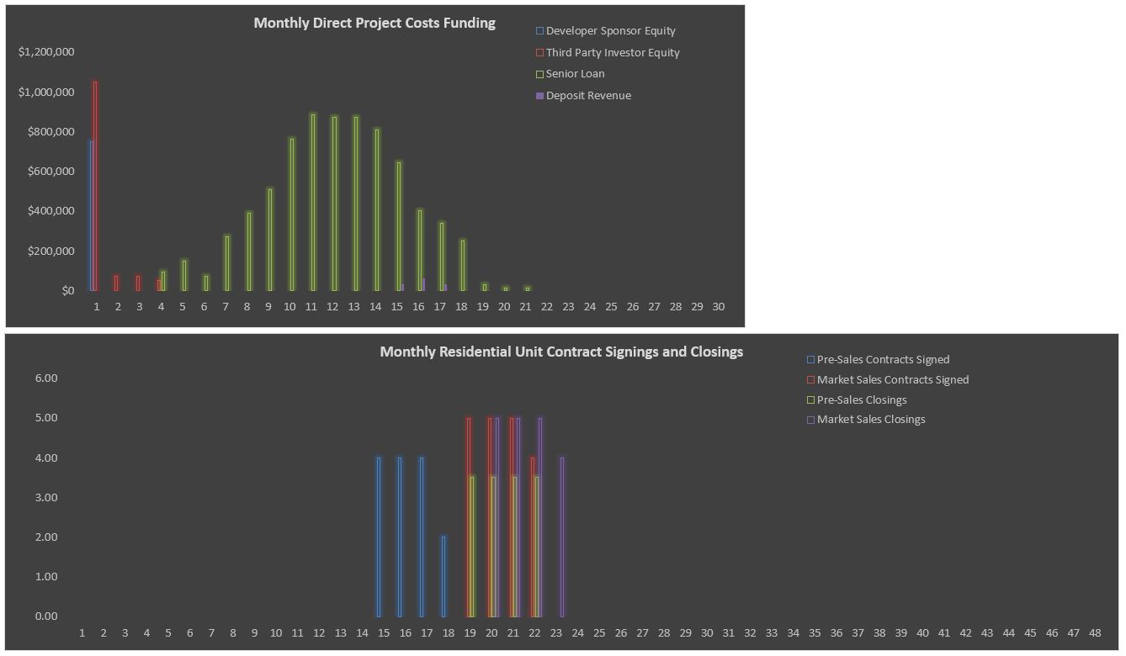
 |  |  |  |  |  | * Operating Deficit and Financing-related Deficits
 |  |  |  |  |  | ** Loan amount includes capitalized interest and capitalized points/fees

